Urban_Detrended
 |  |  |  | Crystal Ball Report - Forecasts
 |  |  |  | Simulation started on 2020/9/1 at 21:53
 |  |  |  | Simulation stopped on 2020/9/1 at 21:53

 | Run preferences:
 |  | Number of trials run | 10,000
 |  | Extreme speed
 |  | Monte Carlo
 |  | Random seed
 |  | Precision control on
 |  | Confidence level | 95.00%

 | Run statistics:
 |  | Total running time (sec) | 4.16
 |  | Trials/second (average) | 2,404
 |  | Random numbers per sec | 201,973

 | Crystal Ball data:
 |  | Assumptions | 84
 |  | Correlations | 0
 |  | Correlated groups | 0
 |  | Decision variables | 0
 |  | Forecasts | 42

 |  |  |  | Forecasts

Worksheet: [UrbanPercentageChangeMonteCarlo.xlsx]Sheet1

Forecast: Beijing_NO2 |  |  |  |  | Cell: C4

 | Summary:
 |  | Entire range is from -53.76 to 14.57
 |  | Base case is 0.00
 |  | After 10,000 trials, the std. error of the mean is 0.09

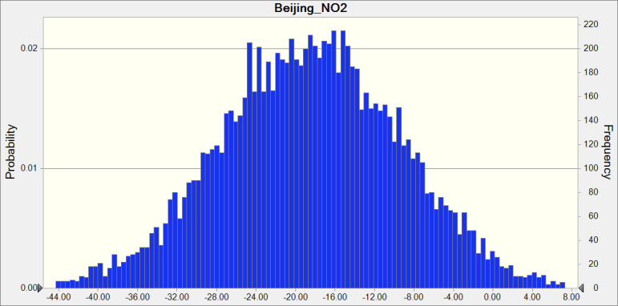

 | Statistics: |  | Forecast values
 |  | Trials | 10,000
 |  | Base Case | 0.00
 |  | Mean | -18.49
 |  | Median | -18.43
 |  | Mode | ---
 |  | Standard Deviation | 9.19
 |  | Variance | 84.53
 |  | Skewness | -0.0075
 |  | Kurtosis | 2.97
 |  | Coeff. of Variability | -0.4972
 |  | Minimum | -53.76
 |  | Maximum | 14.57
 |  | Range Width | 68.33
 |  | Mean Std. Error | 0.09

Forecast: Beijing_NO2 (cont'd) |  |  |  |  | Cell: C4

 | Percentiles: |  | Forecast values
 |  | 0% | -53.76
 |  | 10% | -30.24
 |  | 20% | -26.24
 |  | 30% | -23.45
 |  | 40% | -20.87
 |  | 50% | -18.43
 |  | 60% | -16.16
 |  | 70% | -13.73
 |  | 80% | -10.66
 |  | 90% | -6.80
 |  | 100% | 14.57

Forecast: Beijing_O3 |  |  |  |  | Cell: C8

 | Summary:
 |  | Entire range is from -5.68 to 37.80
 |  | Base case is 0.00
 |  | After 10,000 trials, the std. error of the mean is 0.05

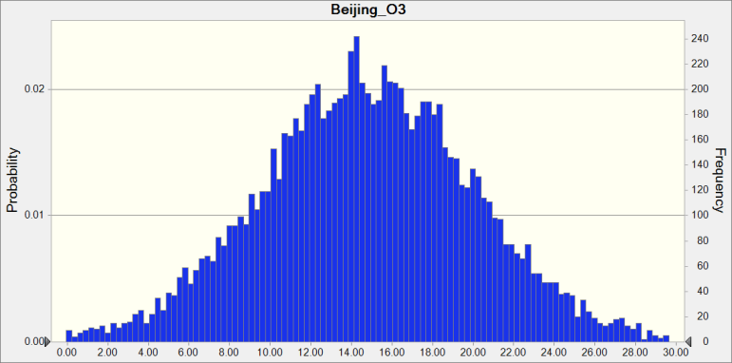

 | Statistics: |  | Forecast values
 |  | Trials | 10,000
 |  | Base Case | 0.00
 |  | Mean | 14.80
 |  | Median | 14.73
 |  | Mode | ---
 |  | Standard Deviation | 5.30
 |  | Variance | 28.11
 |  | Skewness | 0.0174
 |  | Kurtosis | 3.14
 |  | Coeff. of Variability | 0.3583
 |  | Minimum | -5.68
 |  | Maximum | 37.80
 |  | Range Width | 43.48
 |  | Mean Std. Error | 0.05

Forecast: Beijing_O3 (cont'd) |  |  |  |  | Cell: C8

 | Percentiles: |  | Forecast values
 |  | 0% | -5.68
 |  | 10% | 8.02
 |  | 20% | 10.43
 |  | 30% | 12.05
 |  | 40% | 13.48
 |  | 50% | 14.73
 |  | 60% | 16.10
 |  | 70% | 17.58
 |  | 80% | 19.17
 |  | 90% | 21.48
 |  | 100% | 37.80

Forecast: Beijing_Ox |  |  |  |  | Cell: C16

 | Summary:
 |  | Entire range is from -28.40 to 26.01
 |  | Base case is 0.00
 |  | After 10,000 trials, the std. error of the mean is 0.07

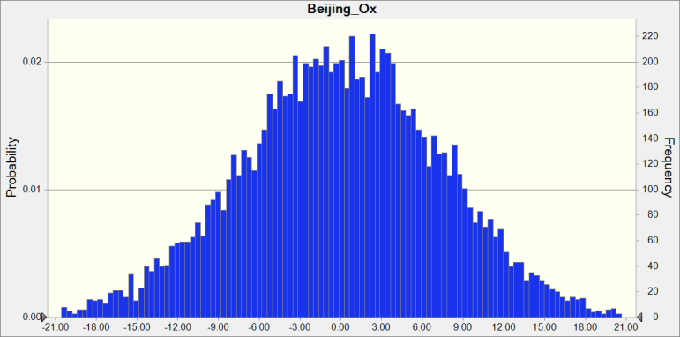

 | Statistics: |  | Forecast values
 |  | Trials | 10,000
 |  | Base Case | 0.00
 |  | Mean | 0.05
 |  | Median | 0.06
 |  | Mode | ---
 |  | Standard Deviation | 7.35
 |  | Variance | 53.99
 |  | Skewness | -0.0344
 |  | Kurtosis | 2.94
 |  | Coeff. of Variability | 152.66
 |  | Minimum | -28.40
 |  | Maximum | 26.01
 |  | Range Width | 54.41
 |  | Mean Std. Error | 0.07

Forecast: Beijing_Ox (cont'd) |  |  |  |  | Cell: C16

 | Percentiles: |  | Forecast values
 |  | 0% | -28.40
 |  | 10% | -9.44
 |  | 20% | -6.08
 |  | 30% | -3.79
 |  | 40% | -1.83
 |  | 50% | 0.06
 |  | 60% | 2.05
 |  | 70% | 3.90
 |  | 80% | 6.28
 |  | 90% | 9.44
 |  | 100% | 26.01

Forecast: Beijing_PM2_5 |  |  |  |  | Cell: C12

 | Summary:
 |  | Entire range is from -59.62 to 50.41
 |  | Base case is 0.00
 |  | After 10,000 trials, the std. error of the mean is 0.15

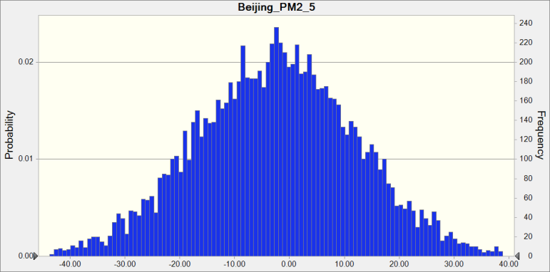

 | Statistics: |  | Forecast values
 |  | Trials | 10,000
 |  | Base Case | 0.00
 |  | Mean | -2.43
 |  | Median | -2.31
 |  | Mode | ---
 |  | Standard Deviation | 14.72
 |  | Variance | 216.69
 |  | Skewness | -0.0056
 |  | Kurtosis | 2.97
 |  | Coeff. of Variability | -6.07
 |  | Minimum | -59.62
 |  | Maximum | 50.41
 |  | Range Width | 110.03
 |  | Mean Std. Error | 0.15

Forecast: Beijing_PM2_5 (cont'd) |  |  |  |  | Cell: C12

 | Percentiles: |  | Forecast values
 |  | 0% | -59.62
 |  | 10% | -21.35
 |  | 20% | -15.03
 |  | 30% | -10.15
 |  | 40% | -6.05
 |  | 50% | -2.31
 |  | 60% | 1.28
 |  | 70% | 5.30
 |  | 80% | 9.86
 |  | 90% | 16.37
 |  | 100% | 50.41

Forecast: Berlin_NO2 |  |  |  |  | Cell: J4

 | Summary:
 |  | Entire range is from -62.32 to 40.22
 |  | Base case is 0.00
 |  | After 10,000 trials, the std. error of the mean is 0.13

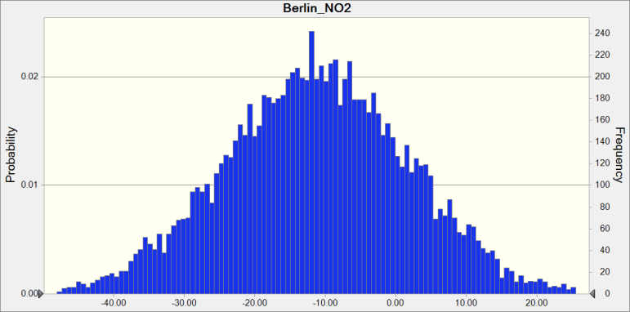

 | Statistics: |  | Forecast values
 |  | Trials | 10,000
 |  | Base Case | 0.00
 |  | Mean | -11.25
 |  | Median | -11.25
 |  | Mode | ---
 |  | Standard Deviation | 13.13
 |  | Variance | 172.39
 |  | Skewness | -0.0266
 |  | Kurtosis | 3.01
 |  | Coeff. of Variability | -1.17
 |  | Minimum | -62.32
 |  | Maximum | 40.22
 |  | Range Width | 102.54
 |  | Mean Std. Error | 0.13

Forecast: Berlin_NO2 (cont'd) |  |  |  |  | Cell: J4

 | Percentiles: |  | Forecast values
 |  | 0% | -62.32
 |  | 10% | -28.18
 |  | 20% | -22.27
 |  | 30% | -18.08
 |  | 40% | -14.45
 |  | 50% | -11.25
 |  | 60% | -7.97
 |  | 70% | -4.37
 |  | 80% | -0.21
 |  | 90% | 5.42
 |  | 100% | 40.22

Forecast: Berlin_O3 |  |  |  |  | Cell: J8

 | Summary:
 |  | Entire range is from -30.41 to 33.47
 |  | Base case is 0.00
 |  | After 10,000 trials, the std. error of the mean is 0.09

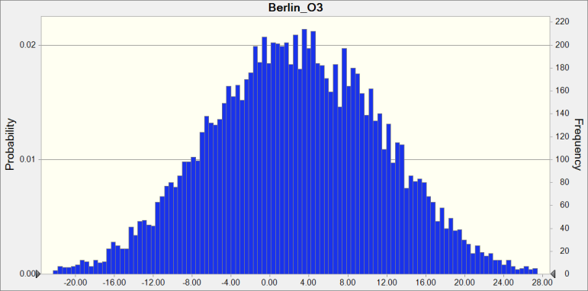

 | Statistics: |  | Forecast values
 |  | Trials | 10,000
 |  | Base Case | 0.00
 |  | Mean | 2.59
 |  | Median | 2.57
 |  | Mode | ---
 |  | Standard Deviation | 8.87
 |  | Variance | 78.72
 |  | Skewness | -0.0489
 |  | Kurtosis | 2.90
 |  | Coeff. of Variability | 3.42
 |  | Minimum | -30.41
 |  | Maximum | 33.47
 |  | Range Width | 63.87
 |  | Mean Std. Error | 0.09

Forecast: Berlin_O3 (cont'd) |  |  |  |  | Cell: J8

 | Percentiles: |  | Forecast values
 |  | 0% | -30.41
 |  | 10% | -8.80
 |  | 20% | -4.98
 |  | 30% | -2.11
 |  | 40% | 0.28
 |  | 50% | 2.57
 |  | 60% | 4.85
 |  | 70% | 7.51
 |  | 80% | 10.25
 |  | 90% | 14.05
 |  | 100% | 33.47

Forecast: Berlin_Ox |  |  |  |  | Cell: J16

 | Summary:
 |  | Entire range is from -5.34 to 10.96
 |  | Base case is 0.00
 |  | After 10,000 trials, the std. error of the mean is 0.02

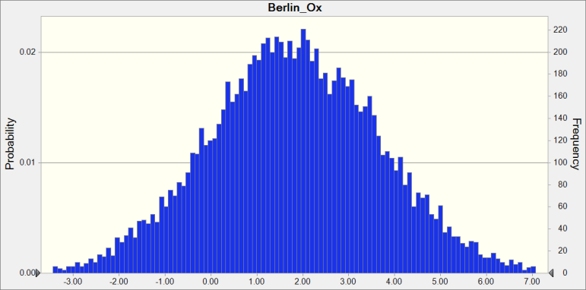

 | Statistics: |  | Forecast values
 |  | Trials | 10,000
 |  | Base Case | 0.00
 |  | Mean | 1.81
 |  | Median | 1.79
 |  | Mode | ---
 |  | Standard Deviation | 1.87
 |  | Variance | 3.51
 |  | Skewness | 0.0431
 |  | Kurtosis | 3.11
 |  | Coeff. of Variability | 1.03
 |  | Minimum | -5.34
 |  | Maximum | 10.96
 |  | Range Width | 16.30
 |  | Mean Std. Error | 0.02

Forecast: Berlin_Ox (cont'd) |  |  |  |  | Cell: J16

 | Percentiles: |  | Forecast values
 |  | 0% | -5.34
 |  | 10% | -0.56
 |  | 20% | 0.26
 |  | 30% | 0.84
 |  | 40% | 1.32
 |  | 50% | 1.79
 |  | 60% | 2.26
 |  | 70% | 2.80
 |  | 80% | 3.39
 |  | 90% | 4.21
 |  | 100% | 10.96

Forecast: Delhi_NO2 |  |  |  |  | Cell: M4

 | Summary:
 |  | Entire range is from -71.09 to -31.74
 |  | Base case is 0.00
 |  | After 10,000 trials, the std. error of the mean is 0.05

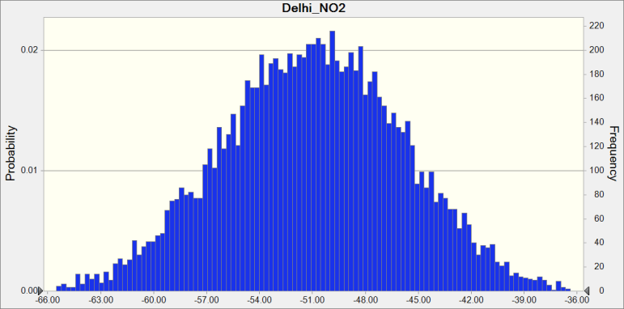

 | Statistics: |  | Forecast values
 |  | Trials | 10,000
 |  | Base Case | 0.00
 |  | Mean | -50.95
 |  | Median | -50.93
 |  | Mode | ---
 |  | Standard Deviation | 5.20
 |  | Variance | 27.01
 |  | Skewness | -0.0135
 |  | Kurtosis | 3.04
 |  | Coeff. of Variability | -0.1020
 |  | Minimum | -71.09
 |  | Maximum | -31.74
 |  | Range Width | 39.35
 |  | Mean Std. Error | 0.05

Forecast: Delhi_NO2 (cont'd) |  |  |  |  | Cell: M4

 | Percentiles: |  | Forecast values
 |  | 0% | -71.09
 |  | 10% | -57.69
 |  | 20% | -55.34
 |  | 30% | -53.72
 |  | 40% | -52.29
 |  | 50% | -50.93
 |  | 60% | -49.62
 |  | 70% | -48.20
 |  | 80% | -46.57
 |  | 90% | -44.30
 |  | 100% | -31.74

Forecast: Delhi_O3 |  |  |  |  | Cell: M8

 | Summary:
 |  | Entire range is from -25.24 to 37.76
 |  | Base case is 0.00
 |  | After 10,000 trials, the std. error of the mean is 0.08

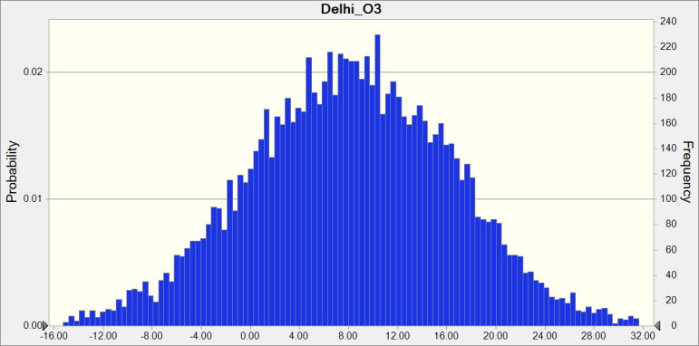

 | Statistics: |  | Forecast values
 |  | Trials | 10,000
 |  | Base Case | 0.00
 |  | Mean | 8.20
 |  | Median | 8.24
 |  | Mode | ---
 |  | Standard Deviation | 8.37
 |  | Variance | 70.06
 |  | Skewness | -0.0110
 |  | Kurtosis | 3.03
 |  | Coeff. of Variability | 1.02
 |  | Minimum | -25.24
 |  | Maximum | 37.76
 |  | Range Width | 63.01
 |  | Mean Std. Error | 0.08

Forecast: Delhi_O3 (cont'd) |  |  |  |  | Cell: M8

 | Percentiles: |  | Forecast values
 |  | 0% | -25.24
 |  | 10% | -2.62
 |  | 20% | 1.15
 |  | 30% | 3.81
 |  | 40% | 6.14
 |  | 50% | 8.24
 |  | 60% | 10.32
 |  | 70% | 12.67
 |  | 80% | 15.37
 |  | 90% | 18.74
 |  | 100% | 37.76

Forecast: Delhi_Ox |  |  |  |  | Cell: M16

 | Summary:
 |  | Entire range is from -36.67 to 17.81
 |  | Base case is 0.00
 |  | After 10,000 trials, the std. error of the mean is 0.06

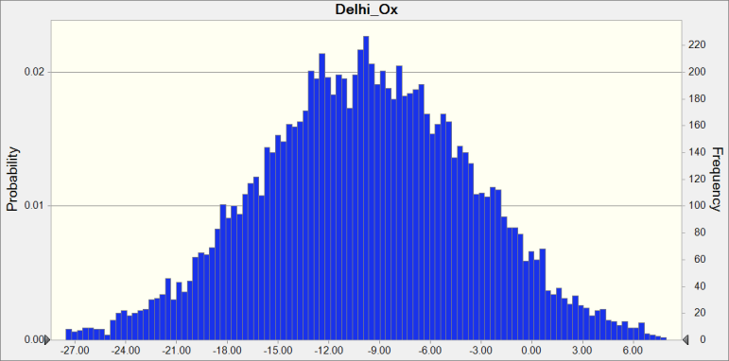

 | Statistics: |  | Forecast values
 |  | Trials | 10,000
 |  | Base Case | 0.00
 |  | Mean | -9.81
 |  | Median | -9.83
 |  | Mode | ---
 |  | Standard Deviation | 6.33
 |  | Variance | 40.04
 |  | Skewness | 0.0176
 |  | Kurtosis | 3.02
 |  | Coeff. of Variability | -0.6453
 |  | Minimum | -36.67
 |  | Maximum | 17.81
 |  | Range Width | 54.48
 |  | Mean Std. Error | 0.06

Forecast: Delhi_Ox (cont'd) |  |  |  |  | Cell: M16

 | Percentiles: |  | Forecast values
 |  | 0% | -36.67
 |  | 10% | -17.92
 |  | 20% | -15.12
 |  | 30% | -13.10
 |  | 40% | -11.47
 |  | 50% | -9.83
 |  | 60% | -8.23
 |  | 70% | -6.47
 |  | 80% | -4.44
 |  | 90% | -1.73
 |  | 100% | 17.81

Forecast: Delhi_PM2_5 |  |  |  |  | Cell: M12

 | Summary:
 |  | Entire range is from -22.98 to 11.64
 |  | Base case is 0.00
 |  | After 10,000 trials, the std. error of the mean is 0.05

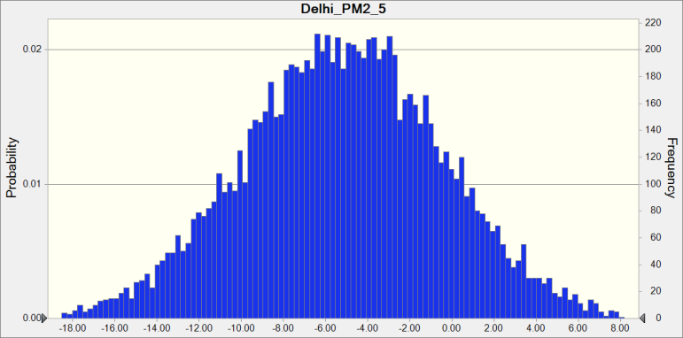

 | Statistics: |  | Forecast values
 |  | Trials | 10,000
 |  | Base Case | 0.00
 |  | Mean | -5.17
 |  | Median | -5.14
 |  | Mode | ---
 |  | Standard Deviation | 4.77
 |  | Variance | 22.71
 |  | Skewness | -0.0169
 |  | Kurtosis | 3.05
 |  | Coeff. of Variability | -0.9212
 |  | Minimum | -22.98
 |  | Maximum | 11.64
 |  | Range Width | 34.62
 |  | Mean Std. Error | 0.05

Forecast: Delhi_PM2_5 (cont'd) |  |  |  |  | Cell: M12

 | Percentiles: |  | Forecast values
 |  | 0% | -22.98
 |  | 10% | -11.30
 |  | 20% | -9.14
 |  | 30% | -7.65
 |  | 40% | -6.37
 |  | 50% | -5.14
 |  | 60% | -3.93
 |  | 70% | -2.71
 |  | 80% | -1.20
 |  | 90% | 0.88
 |  | 100% | 11.64

Forecast: LA_NO2 |  |  |  |  | Cell: L4

 | Summary:
 |  | Entire range is from -31.46 to 14.99
 |  | Base case is 0.00
 |  | After 10,000 trials, the std. error of the mean is 0.06

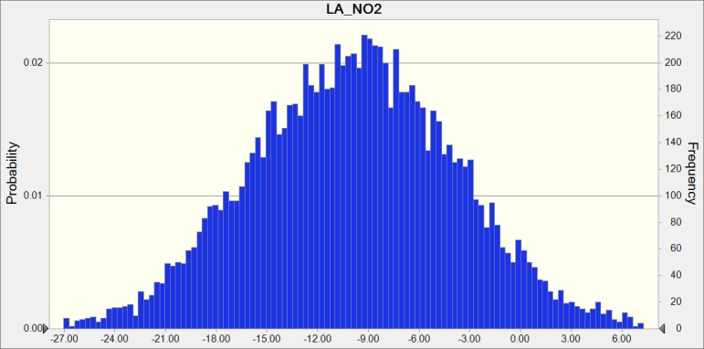

 | Statistics: |  | Forecast values
 |  | Trials | 10,000
 |  | Base Case | 0.00
 |  | Mean | -9.88
 |  | Median | -9.80
 |  | Mode | ---
 |  | Standard Deviation | 6.12
 |  | Variance | 37.42
 |  | Skewness | 0.0197
 |  | Kurtosis | 3.05
 |  | Coeff. of Variability | -0.6193
 |  | Minimum | -31.46
 |  | Maximum | 14.99
 |  | Range Width | 46.45
 |  | Mean Std. Error | 0.06

Forecast: LA_NO2 (cont'd) |  |  |  |  | Cell: L4

 | Percentiles: |  | Forecast values
 |  | 0% | -31.46
 |  | 10% | -17.79
 |  | 20% | -15.05
 |  | 30% | -13.09
 |  | 40% | -11.38
 |  | 50% | -9.80
 |  | 60% | -8.35
 |  | 70% | -6.67
 |  | 80% | -4.75
 |  | 90% | -2.12
 |  | 100% | 14.99

Forecast: LA_O3 |  |  |  |  | Cell: L8

 | Summary:
 |  | Entire range is from -18.70 to 21.77
 |  | Base case is 0.00
 |  | After 10,000 trials, the std. error of the mean is 0.05

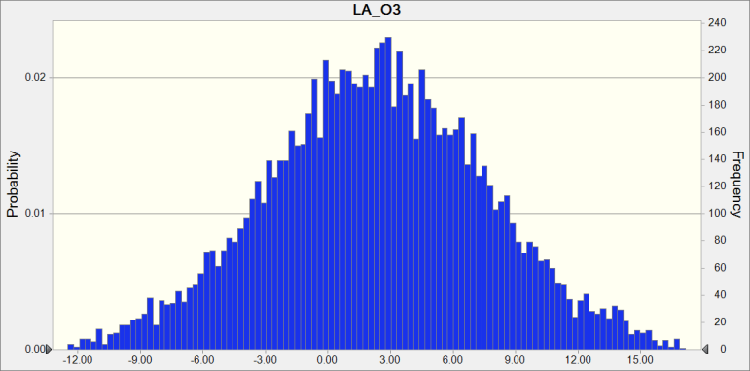

 | Statistics: |  | Forecast values
 |  | Trials | 10,000
 |  | Base Case | 0.00
 |  | Mean | 2.34
 |  | Median | 2.33
 |  | Mode | ---
 |  | Standard Deviation | 5.29
 |  | Variance | 27.93
 |  | Skewness | 2.5091E-04
 |  | Kurtosis | 2.99
 |  | Coeff. of Variability | 2.26
 |  | Minimum | -18.70
 |  | Maximum | 21.77
 |  | Range Width | 40.47
 |  | Mean Std. Error | 0.05

Forecast: LA_O3 (cont'd) |  |  |  |  | Cell: L8

 | Percentiles: |  | Forecast values
 |  | 0% | -18.70
 |  | 10% | -4.40
 |  | 20% | -2.05
 |  | 30% | -0.41
 |  | 40% | 0.98
 |  | 50% | 2.33
 |  | 60% | 3.61
 |  | 70% | 5.10
 |  | 80% | 6.79
 |  | 90% | 9.06
 |  | 100% | 21.77

Forecast: LA_Ox |  |  |  |  | Cell: L16

 | Summary:
 |  | Entire range is from -10.07 to 3.23
 |  | Base case is 0.00
 |  | After 10,000 trials, the std. error of the mean is 0.02

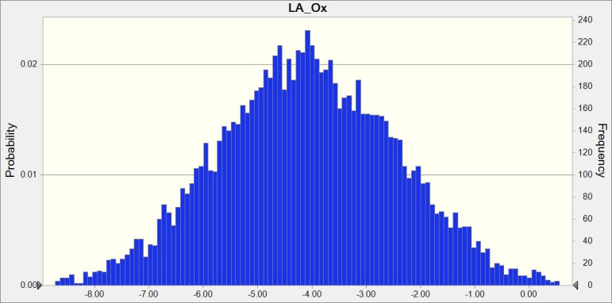

 | Statistics: |  | Forecast values
 |  | Trials | 10,000
 |  | Base Case | 0.00
 |  | Mean | -4.08
 |  | Median | -4.10
 |  | Mode | ---
 |  | Standard Deviation | 1.65
 |  | Variance | 2.74
 |  | Skewness | 0.0352
 |  | Kurtosis | 2.97
 |  | Coeff. of Variability | -0.4051
 |  | Minimum | -10.07
 |  | Maximum | 3.23
 |  | Range Width | 13.30
 |  | Mean Std. Error | 0.02

Forecast: LA_Ox (cont'd) |  |  |  |  | Cell: L16

 | Percentiles: |  | Forecast values
 |  | 0% | -10.07
 |  | 10% | -6.19
 |  | 20% | -5.49
 |  | 30% | -4.95
 |  | 40% | -4.53
 |  | 50% | -4.10
 |  | 60% | -3.69
 |  | 70% | -3.21
 |  | 80% | -2.67
 |  | 90% | -1.96
 |  | 100% | 3.23

Forecast: LA_PM2_5 |  |  |  |  | Cell: L12

 | Summary:
 |  | Entire range is from -142.42 to 56.69
 |  | Base case is 0.00
 |  | After 10,000 trials, the std. error of the mean is 0.27

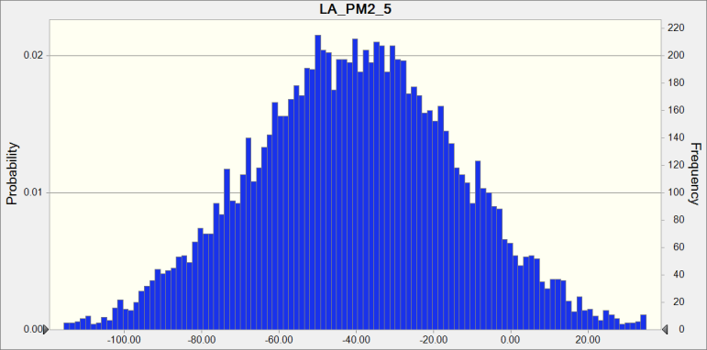

 | Statistics: |  | Forecast values
 |  | Trials | 10,000
 |  | Base Case | 0.00
 |  | Mean | -40.29
 |  | Median | -40.19
 |  | Mode | ---
 |  | Standard Deviation | 26.89
 |  | Variance | 723.12
 |  | Skewness | -0.0106
 |  | Kurtosis | 2.99
 |  | Coeff. of Variability | -0.6674
 |  | Minimum | -142.42
 |  | Maximum | 56.69
 |  | Range Width | 199.11
 |  | Mean Std. Error | 0.27

Forecast: LA_PM2_5 (cont'd) |  |  |  |  | Cell: L12

 | Percentiles: |  | Forecast values
 |  | 0% | -142.42
 |  | 10% | -74.95
 |  | 20% | -62.74
 |  | 30% | -54.32
 |  | 40% | -47.28
 |  | 50% | -40.19
 |  | 60% | -33.31
 |  | 70% | -26.16
 |  | 80% | -17.79
 |  | 90% | -5.87
 |  | 100% | 56.69

Forecast: London_NO2 |  |  |  |  | Cell: H4

 | Summary:
 |  | Entire range is from -49.21 to 22.88
 |  | Base case is 0.00
 |  | After 10,000 trials, the std. error of the mean is 0.08

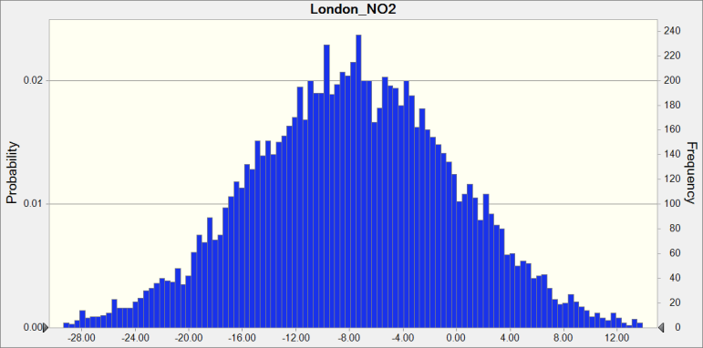

 | Statistics: |  | Forecast values
 |  | Trials | 10,000
 |  | Base Case | 0.00
 |  | Mean | -7.74
 |  | Median | -7.74
 |  | Mode | ---
 |  | Standard Deviation | 7.71
 |  | Variance | 59.51
 |  | Skewness | -0.0299
 |  | Kurtosis | 3.16
 |  | Coeff. of Variability | -0.9970
 |  | Minimum | -49.21
 |  | Maximum | 22.88
 |  | Range Width | 72.10
 |  | Mean Std. Error | 0.08

Forecast: London_NO2 (cont'd) |  |  |  |  | Cell: H4

 | Percentiles: |  | Forecast values
 |  | 0% | -49.21
 |  | 10% | -17.45
 |  | 20% | -14.24
 |  | 30% | -11.69
 |  | 40% | -9.67
 |  | 50% | -7.74
 |  | 60% | -5.72
 |  | 70% | -3.68
 |  | 80% | -1.29
 |  | 90% | 2.12
 |  | 100% | 22.88

Forecast: London_O3 |  |  |  |  | Cell: H8

 | Summary:
 |  | Entire range is from -31.47 to 31.37
 |  | Base case is 0.00
 |  | After 10,000 trials, the std. error of the mean is 0.08

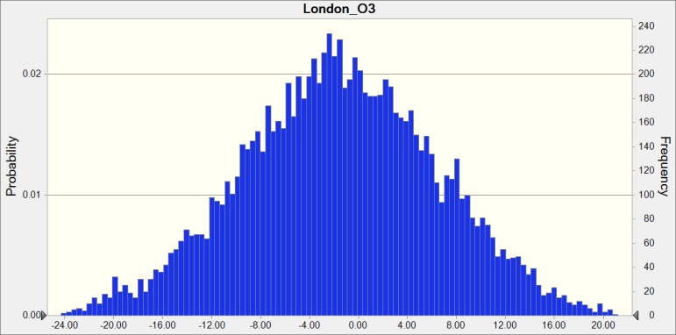

 | Statistics: |  | Forecast values
 |  | Trials | 10,000
 |  | Base Case | 0.00
 |  | Mean | -1.56
 |  | Median | -1.59
 |  | Mode | ---
 |  | Standard Deviation | 8.12
 |  | Variance | 65.90
 |  | Skewness | -0.0398
 |  | Kurtosis | 3.02
 |  | Coeff. of Variability | -5.21
 |  | Minimum | -31.47
 |  | Maximum | 31.37
 |  | Range Width | 62.84
 |  | Mean Std. Error | 0.08

Forecast: London_O3 (cont'd) |  |  |  |  | Cell: H8

 | Percentiles: |  | Forecast values
 |  | 0% | -31.47
 |  | 10% | -11.92
 |  | 20% | -8.36
 |  | 30% | -5.72
 |  | 40% | -3.55
 |  | 50% | -1.59
 |  | 60% | 0.44
 |  | 70% | 2.70
 |  | 80% | 5.30
 |  | 90% | 8.85
 |  | 100% | 31.37

Forecast: London_Ox |  |  |  |  | Cell: H16

 | Summary:
 |  | Entire range is from -2.88 to 7.65
 |  | Base case is 0.00
 |  | After 10,000 trials, the std. error of the mean is 0.01

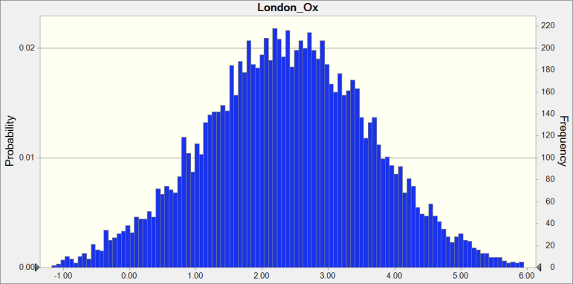

 | Statistics: |  | Forecast values
 |  | Trials | 10,000
 |  | Base Case | 0.00
 |  | Mean | 2.39
 |  | Median | 2.39
 |  | Mode | ---
 |  | Standard Deviation | 1.27
 |  | Variance | 1.62
 |  | Skewness | -0.0085
 |  | Kurtosis | 3.08
 |  | Coeff. of Variability | 0.5328
 |  | Minimum | -2.88
 |  | Maximum | 7.65
 |  | Range Width | 10.54
 |  | Mean Std. Error | 0.01

Forecast: London_Ox (cont'd) |  |  |  |  | Cell: H16

 | Percentiles: |  | Forecast values
 |  | 0% | -2.88
 |  | 10% | 0.76
 |  | 20% | 1.32
 |  | 30% | 1.73
 |  | 40% | 2.07
 |  | 50% | 2.39
 |  | 60% | 2.71
 |  | 70% | 3.06
 |  | 80% | 3.45
 |  | 90% | 4.01
 |  | 100% | 7.65

Forecast: London_PM2_5 |  |  |  |  | Cell: H12

 | Summary:
 |  | Entire range is from -45.98 to 74.96
 |  | Base case is 0.00
 |  | After 10,000 trials, the std. error of the mean is 0.17

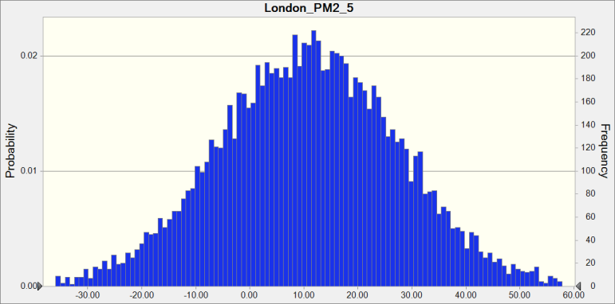

 | Statistics: |  | Forecast values
 |  | Trials | 10,000
 |  | Base Case | 0.00
 |  | Mean | 10.92
 |  | Median | 11.02
 |  | Mode | ---
 |  | Standard Deviation | 16.73
 |  | Variance | 279.91
 |  | Skewness | 0.0050
 |  | Kurtosis | 2.98
 |  | Coeff. of Variability | 1.53
 |  | Minimum | -45.98
 |  | Maximum | 74.96
 |  | Range Width | 120.94
 |  | Mean Std. Error | 0.17

Forecast: London_PM2_5 (cont'd) |  |  |  |  | Cell: H12

 | Percentiles: |  | Forecast values
 |  | 0% | -45.98
 |  | 10% | -10.41
 |  | 20% | -3.23
 |  | 30% | 2.04
 |  | 40% | 6.69
 |  | 50% | 11.02
 |  | 60% | 15.21
 |  | 70% | 19.70
 |  | 80% | 24.97
 |  | 90% | 32.23
 |  | 100% | 74.96

Forecast: Madrid_NO2 |  |  |  |  | Cell: G4

 | Summary:
 |  | Entire range is from -110.38 to 55.03
 |  | Base case is 0.00
 |  | After 10,000 trials, the std. error of the mean is 0.21

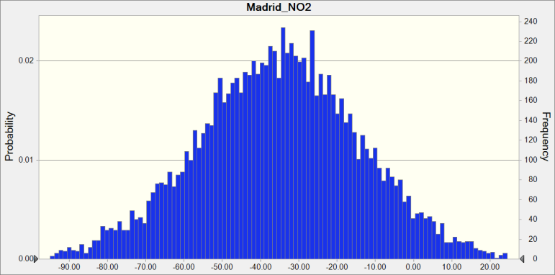

 | Statistics: |  | Forecast values
 |  | Trials | 10,000
 |  | Base Case | 0.00
 |  | Mean | -35.23
 |  | Median | -34.96
 |  | Mode | ---
 |  | Standard Deviation | 21.31
 |  | Variance | 454.06
 |  | Skewness | -0.0282
 |  | Kurtosis | 3.02
 |  | Coeff. of Variability | -0.6049
 |  | Minimum | -110.38
 |  | Maximum | 55.03
 |  | Range Width | 165.41
 |  | Mean Std. Error | 0.21

Forecast: Madrid_NO2 (cont'd) |  |  |  |  | Cell: G4

 | Percentiles: |  | Forecast values
 |  | 0% | -110.38
 |  | 10% | -62.85
 |  | 20% | -52.79
 |  | 30% | -46.30
 |  | 40% | -40.48
 |  | 50% | -34.96
 |  | 60% | -29.79
 |  | 70% | -24.20
 |  | 80% | -17.50
 |  | 90% | -7.66
 |  | 100% | 55.03

Forecast: Madrid_O3 |  |  |  |  | Cell: G8

 | Summary:
 |  | Entire range is from -58.65 to 72.90
 |  | Base case is 0.00
 |  | After 10,000 trials, the std. error of the mean is 0.18

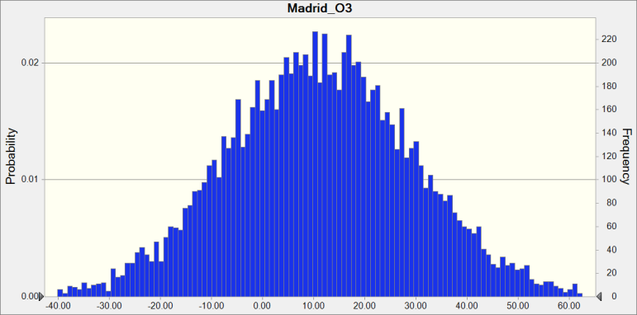

 | Statistics: |  | Forecast values
 |  | Trials | 10,000
 |  | Base Case | 0.00
 |  | Mean | 11.21
 |  | Median | 11.16
 |  | Mode | ---
 |  | Standard Deviation | 18.32
 |  | Variance | 335.74
 |  | Skewness | 0.0049
 |  | Kurtosis | 3.02
 |  | Coeff. of Variability | 1.63
 |  | Minimum | -58.65
 |  | Maximum | 72.90
 |  | Range Width | 131.55
 |  | Mean Std. Error | 0.18

Forecast: Madrid_O3 (cont'd) |  |  |  |  | Cell: G8

 | Percentiles: |  | Forecast values
 |  | 0% | -58.65
 |  | 10% | -12.06
 |  | 20% | -4.41
 |  | 30% | 1.52
 |  | 40% | 6.54
 |  | 50% | 11.16
 |  | 60% | 15.96
 |  | 70% | 20.68
 |  | 80% | 26.69
 |  | 90% | 34.89
 |  | 100% | 72.90

Forecast: Madrid_Ox |  |  |  |  | Cell: G16

 | Summary:
 |  | Entire range is from -15.93 to 10.26
 |  | Base case is 0.00
 |  | After 10,000 trials, the std. error of the mean is 0.03

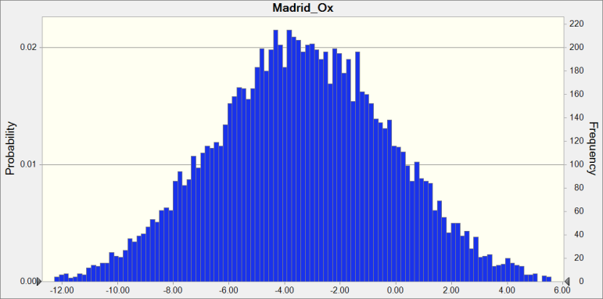

 | Statistics: |  | Forecast values
 |  | Trials | 10,000
 |  | Base Case | 0.00
 |  | Mean | -3.35
 |  | Median | -3.36
 |  | Mode | ---
 |  | Standard Deviation | 3.18
 |  | Variance | 10.13
 |  | Skewness | 0.0131
 |  | Kurtosis | 2.98
 |  | Coeff. of Variability | -0.9516
 |  | Minimum | -15.93
 |  | Maximum | 10.26
 |  | Range Width | 26.19
 |  | Mean Std. Error | 0.03

Forecast: Madrid_Ox (cont'd) |  |  |  |  | Cell: G16

 | Percentiles: |  | Forecast values
 |  | 0% | -15.93
 |  | 10% | -7.45
 |  | 20% | -6.02
 |  | 30% | -5.01
 |  | 40% | -4.17
 |  | 50% | -3.36
 |  | 60% | -2.55
 |  | 70% | -1.66
 |  | 80% | -0.65
 |  | 90% | 0.75
 |  | 100% | 10.26

Forecast: Madrid_PM2_5 |  |  |  |  | Cell: G12

 | Summary:
 |  | Entire range is from -94.89 to 41.66
 |  | Base case is 0.00
 |  | After 10,000 trials, the std. error of the mean is 0.18

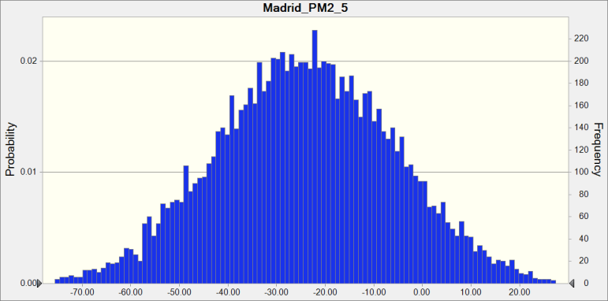

 | Statistics: |  | Forecast values
 |  | Trials | 10,000
 |  | Base Case | 0.00
 |  | Mean | -24.09
 |  | Median | -24.11
 |  | Mode | ---
 |  | Standard Deviation | 18.39
 |  | Variance | 338.04
 |  | Skewness | -0.0076
 |  | Kurtosis | 2.93
 |  | Coeff. of Variability | -0.7633
 |  | Minimum | -94.89
 |  | Maximum | 41.66
 |  | Range Width | 136.55
 |  | Mean Std. Error | 0.18

Forecast: Madrid_PM2_5 (cont'd) |  |  |  |  | Cell: G12

 | Percentiles: |  | Forecast values
 |  | 0% | -94.89
 |  | 10% | -48.06
 |  | 20% | -39.59
 |  | 30% | -33.75
 |  | 40% | -28.87
 |  | 50% | -24.11
 |  | 60% | -19.51
 |  | 70% | -14.30
 |  | 80% | -8.40
 |  | 90% | -0.56
 |  | 100% | 41.66

Forecast: Milan_NO2 |  |  |  |  | Cell: E4

 | Summary:
 |  | Entire range is from -57.01 to 26.50
 |  | Base case is 0.00
 |  | After 10,000 trials, the std. error of the mean is 0.11

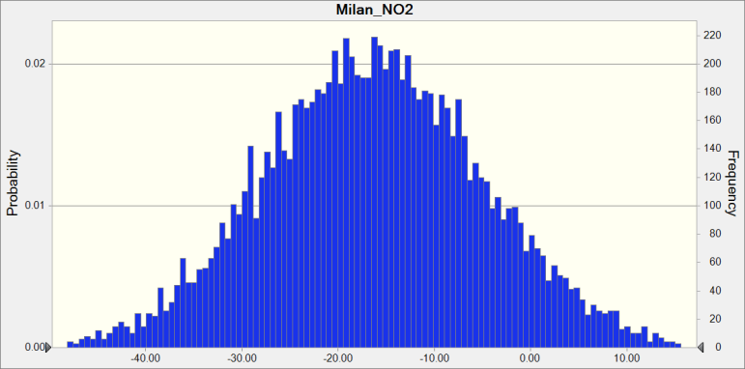

 | Statistics: |  | Forecast values
 |  | Trials | 10,000
 |  | Base Case | 0.00
 |  | Mean | -16.27
 |  | Median | -16.33
 |  | Mode | ---
 |  | Standard Deviation | 11.38
 |  | Variance | 129.52
 |  | Skewness | 0.0551
 |  | Kurtosis | 2.97
 |  | Coeff. of Variability | -0.6995
 |  | Minimum | -57.01
 |  | Maximum | 26.50
 |  | Range Width | 83.51
 |  | Mean Std. Error | 0.11

Forecast: Milan_NO2 (cont'd) |  |  |  |  | Cell: E4

 | Percentiles: |  | Forecast values
 |  | 0% | -57.01
 |  | 10% | -30.73
 |  | 20% | -25.96
 |  | 30% | -22.33
 |  | 40% | -19.28
 |  | 50% | -16.33
 |  | 60% | -13.49
 |  | 70% | -10.38
 |  | 80% | -6.83
 |  | 90% | -1.50
 |  | 100% | 26.50

Forecast: Milan_O3 |  |  |  |  | Cell: E8

 | Summary:
 |  | Entire range is from -138.27 to 158.96
 |  | Base case is 0.00
 |  | After 10,000 trials, the std. error of the mean is 0.38

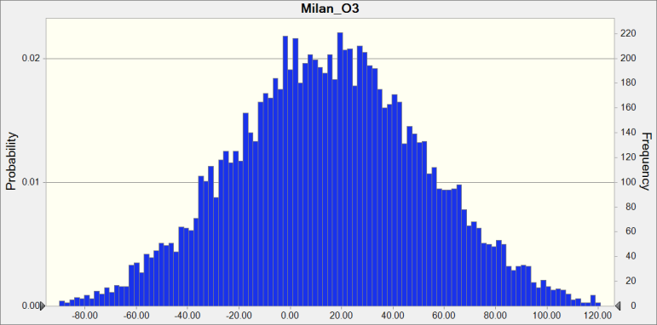

 | Statistics: |  | Forecast values
 |  | Trials | 10,000
 |  | Base Case | 0.00
 |  | Mean | 15.43
 |  | Median | 15.21
 |  | Mode | ---
 |  | Standard Deviation | 37.62
 |  | Variance | 1,415.32
 |  | Skewness | 0.0600
 |  | Kurtosis | 3.01
 |  | Coeff. of Variability | 2.44
 |  | Minimum | -138.27
 |  | Maximum | 158.96
 |  | Range Width | 297.23
 |  | Mean Std. Error | 0.38

Forecast: Milan_O3 (cont'd) |  |  |  |  | Cell: E8

 | Percentiles: |  | Forecast values
 |  | 0% | -138.27
 |  | 10% | -32.63
 |  | 20% | -16.43
 |  | 30% | -4.31
 |  | 40% | 5.36
 |  | 50% | 15.19
 |  | 60% | 24.77
 |  | 70% | 34.67
 |  | 80% | 47.01
 |  | 90% | 64.19
 |  | 100% | 158.96

Forecast: Milan_Ox |  |  |  |  | Cell: E16

 | Summary:
 |  | Entire range is from -29.66 to 17.44
 |  | Base case is 0.00
 |  | After 10,000 trials, the std. error of the mean is 0.06

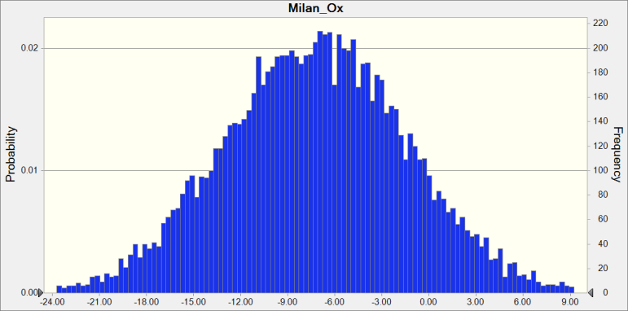

 | Statistics: |  | Forecast values
 |  | Trials | 10,000
 |  | Base Case | 0.00
 |  | Mean | -7.24
 |  | Median | -7.18
 |  | Mode | ---
 |  | Standard Deviation | 5.88
 |  | Variance | 34.54
 |  | Skewness | -0.0110
 |  | Kurtosis | 3.07
 |  | Coeff. of Variability | -0.8119
 |  | Minimum | -29.66
 |  | Maximum | 17.44
 |  | Range Width | 47.11
 |  | Mean Std. Error | 0.06

Forecast: Milan_Ox (cont'd) |  |  |  |  | Cell: E16

 | Percentiles: |  | Forecast values
 |  | 0% | -29.66
 |  | 10% | -14.83
 |  | 20% | -12.20
 |  | 30% | -10.31
 |  | 40% | -8.73
 |  | 50% | -7.18
 |  | 60% | -5.69
 |  | 70% | -4.15
 |  | 80% | -2.33
 |  | 90% | 0.21
 |  | 100% | 17.44

Forecast: NY_NO2 |  |  |  |  | Cell: K4

 | Summary:
 |  | Entire range is from -48.00 to 15.80
 |  | Base case is 0.00
 |  | After 10,000 trials, the std. error of the mean is 0.08

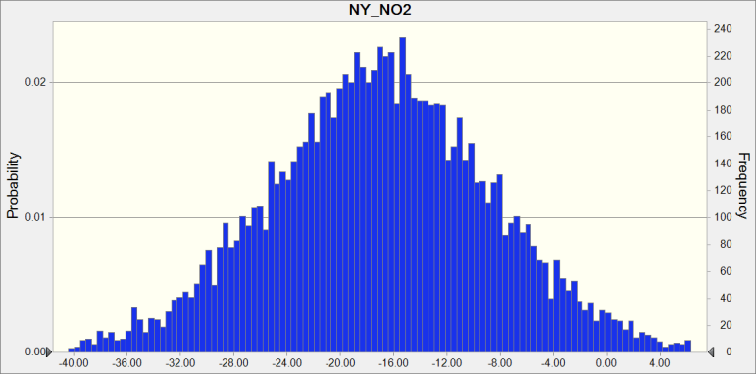

 | Statistics: |  | Forecast values
 |  | Trials | 10,000
 |  | Base Case | 0.00
 |  | Mean | -17.03
 |  | Median | -17.00
 |  | Mode | ---
 |  | Standard Deviation | 8.33
 |  | Variance | 69.44
 |  | Skewness | -0.0220
 |  | Kurtosis | 3.03
 |  | Coeff. of Variability | -0.4893
 |  | Minimum | -48.00
 |  | Maximum | 15.80
 |  | Range Width | 63.80
 |  | Mean Std. Error | 0.08

Forecast: NY_NO2 (cont'd) |  |  |  |  | Cell: K4

 | Percentiles: |  | Forecast values
 |  | 0% | -48.00
 |  | 10% | -27.81
 |  | 20% | -23.94
 |  | 30% | -21.22
 |  | 40% | -19.03
 |  | 50% | -17.00
 |  | 60% | -15.03
 |  | 70% | -12.73
 |  | 80% | -10.09
 |  | 90% | -6.31
 |  | 100% | 15.80

Forecast: NY_O3 |  |  |  |  | Cell: K8

 | Summary:
 |  | Entire range is from -32.44 to 45.54
 |  | Base case is 0.00
 |  | After 10,000 trials, the std. error of the mean is 0.10

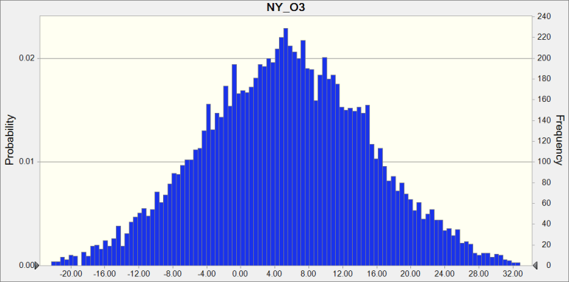

 | Statistics: |  | Forecast values
 |  | Trials | 10,000
 |  | Base Case | 0.00
 |  | Mean | 5.29
 |  | Median | 5.31
 |  | Mode | ---
 |  | Standard Deviation | 9.84
 |  | Variance | 96.78
 |  | Skewness | -0.0091
 |  | Kurtosis | 2.98
 |  | Coeff. of Variability | 1.86
 |  | Minimum | -32.44
 |  | Maximum | 45.54
 |  | Range Width | 77.98
 |  | Mean Std. Error | 0.10

Forecast: NY_O3 (cont'd) |  |  |  |  | Cell: K8

 | Percentiles: |  | Forecast values
 |  | 0% | -32.44
 |  | 10% | -7.36
 |  | 20% | -3.04
 |  | 30% | 0.05
 |  | 40% | 2.88
 |  | 50% | 5.31
 |  | 60% | 7.73
 |  | 70% | 10.48
 |  | 80% | 13.61
 |  | 90% | 17.84
 |  | 100% | 45.54

Forecast: NY_Ox |  |  |  |  | Cell: K16

 | Summary:
 |  | Entire range is from -34.07 to 20.46
 |  | Base case is 0.00
 |  | After 10,000 trials, the std. error of the mean is 0.07

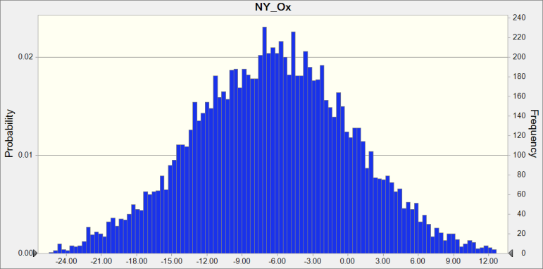

 | Statistics: |  | Forecast values
 |  | Trials | 10,000
 |  | Base Case | 0.00
 |  | Mean | -6.41
 |  | Median | -6.38
 |  | Mode | ---
 |  | Standard Deviation | 6.80
 |  | Variance | 46.20
 |  | Skewness | -0.0021
 |  | Kurtosis | 3.01
 |  | Coeff. of Variability | -1.06
 |  | Minimum | -34.07
 |  | Maximum | 20.46
 |  | Range Width | 54.53
 |  | Mean Std. Error | 0.07

Forecast: NY_Ox (cont'd) |  |  |  |  | Cell: K16

 | Percentiles: |  | Forecast values
 |  | 0% | -34.07
 |  | 10% | -15.05
 |  | 20% | -12.17
 |  | 30% | -10.02
 |  | 40% | -8.11
 |  | 50% | -6.38
 |  | 60% | -4.65
 |  | 70% | -2.82
 |  | 80% | -0.69
 |  | 90% | 2.28
 |  | 100% | 20.46

Forecast: NY_PM2_5 |  |  |  |  | Cell: K12

 | Summary:
 |  | Entire range is from -39.01 to 12.07
 |  | Base case is 0.00
 |  | After 10,000 trials, the std. error of the mean is 0.07

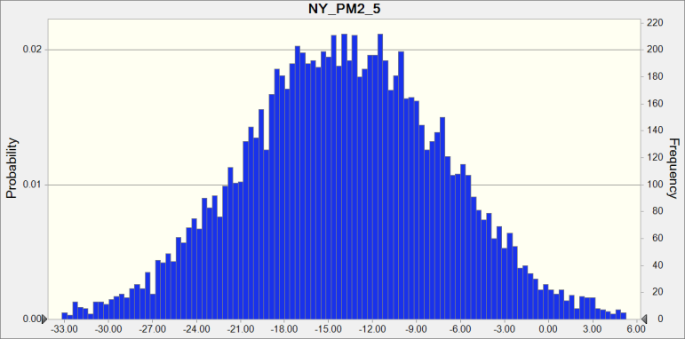

 | Statistics: |  | Forecast values
 |  | Trials | 10,000
 |  | Base Case | 0.00
 |  | Mean | -13.94
 |  | Median | -13.95
 |  | Mode | ---
 |  | Standard Deviation | 6.86
 |  | Variance | 47.06
 |  | Skewness | 0.0032
 |  | Kurtosis | 2.97
 |  | Coeff. of Variability | -0.4920
 |  | Minimum | -39.01
 |  | Maximum | 12.07
 |  | Range Width | 51.08
 |  | Mean Std. Error | 0.07

Forecast: NY_PM2_5 (cont'd) |  |  |  |  | Cell: K12

 | Percentiles: |  | Forecast values
 |  | 0% | -39.01
 |  | 10% | -22.81
 |  | 20% | -19.65
 |  | 30% | -17.56
 |  | 40% | -15.74
 |  | 50% | -13.95
 |  | 60% | -12.14
 |  | 70% | -10.29
 |  | 80% | -8.10
 |  | 90% | -5.22
 |  | 100% | 12.07

Forecast: Paris_NO2 |  |  |  |  | Cell: I4

 | Summary:
 |  | Entire range is from -49.99 to 2.67
 |  | Base case is 0.00
 |  | After 10,000 trials, the std. error of the mean is 0.07

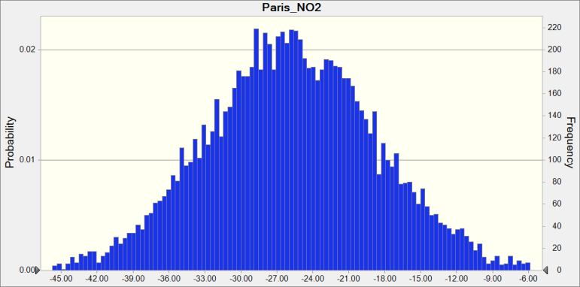

 | Statistics: |  | Forecast values
 |  | Trials | 10,000
 |  | Base Case | 0.00
 |  | Mean | -25.80
 |  | Median | -25.87
 |  | Mode | ---
 |  | Standard Deviation | 7.11
 |  | Variance | 50.61
 |  | Skewness | 0.0206
 |  | Kurtosis | 2.99
 |  | Coeff. of Variability | -0.2758
 |  | Minimum | -49.99
 |  | Maximum | 2.67
 |  | Range Width | 52.67
 |  | Mean Std. Error | 0.07

Forecast: Paris_NO2 (cont'd) |  |  |  |  | Cell: I4

 | Percentiles: |  | Forecast values
 |  | 0% | -49.99
 |  | 10% | -34.93
 |  | 20% | -31.81
 |  | 30% | -29.49
 |  | 40% | -27.63
 |  | 50% | -25.87
 |  | 60% | -24.05
 |  | 70% | -22.04
 |  | 80% | -19.89
 |  | 90% | -16.65
 |  | 100% | 2.67

Forecast: Paris_O3 |  |  |  |  | Cell: I8

 | Summary:
 |  | Entire range is from -12.33 to 25.30
 |  | Base case is 0.00
 |  | After 10,000 trials, the std. error of the mean is 0.05

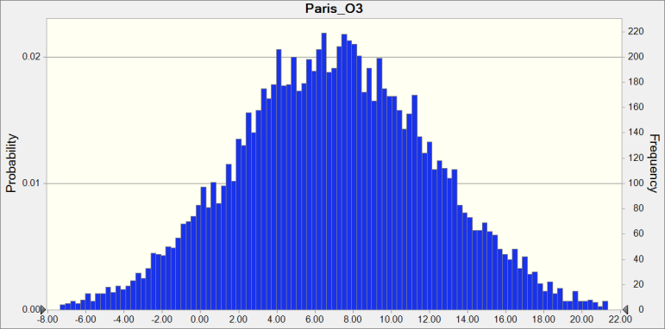

 | Statistics: |  | Forecast values
 |  | Trials | 10,000
 |  | Base Case | 0.00
 |  | Mean | 6.99
 |  | Median | 6.99
 |  | Mode | ---
 |  | Standard Deviation | 5.12
 |  | Variance | 26.21
 |  | Skewness | 0.0069
 |  | Kurtosis | 2.94
 |  | Coeff. of Variability | 0.7323
 |  | Minimum | -12.33
 |  | Maximum | 25.30
 |  | Range Width | 37.63
 |  | Mean Std. Error | 0.05

Forecast: Paris_O3 (cont'd) |  |  |  |  | Cell: I8

 | Percentiles: |  | Forecast values
 |  | 0% | -12.33
 |  | 10% | 0.39
 |  | 20% | 2.71
 |  | 30% | 4.23
 |  | 40% | 5.65
 |  | 50% | 6.99
 |  | 60% | 8.25
 |  | 70% | 9.65
 |  | 80% | 11.31
 |  | 90% | 13.55
 |  | 100% | 25.30

Forecast: Paris_Ox |  |  |  |  | Cell: I16

 | Summary:
 |  | Entire range is from -9.81 to 8.75
 |  | Base case is 0.00
 |  | After 10,000 trials, the std. error of the mean is 0.02

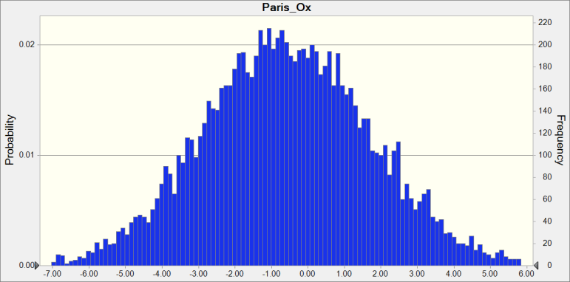

 | Statistics: |  | Forecast values
 |  | Trials | 10,000
 |  | Base Case | 0.00
 |  | Mean | -0.60
 |  | Median | -0.63
 |  | Mode | ---
 |  | Standard Deviation | 2.30
 |  | Variance | 5.27
 |  | Skewness | 0.0172
 |  | Kurtosis | 3.00
 |  | Coeff. of Variability | -3.85
 |  | Minimum | -9.81
 |  | Maximum | 8.75
 |  | Range Width | 18.56
 |  | Mean Std. Error | 0.02

Forecast: Paris_Ox (cont'd) |  |  |  |  | Cell: I16

 | Percentiles: |  | Forecast values
 |  | 0% | -9.81
 |  | 10% | -3.51
 |  | 20% | -2.53
 |  | 30% | -1.82
 |  | 40% | -1.20
 |  | 50% | -0.63
 |  | 60% | -0.03
 |  | 70% | 0.61
 |  | 80% | 1.32
 |  | 90% | 2.38
 |  | 100% | 8.75

Forecast: Paris_PM2_5 |  |  |  |  | Cell: I12

 | Summary:
 |  | Entire range is from -33.12 to 90.50
 |  | Base case is 0.00
 |  | After 10,000 trials, the std. error of the mean is 0.15

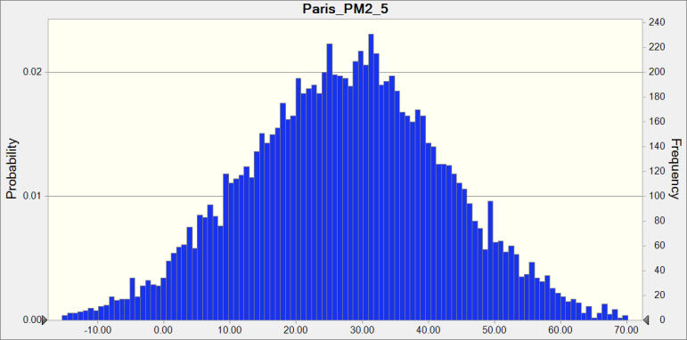

 | Statistics: |  | Forecast values
 |  | Trials | 10,000
 |  | Base Case | 0.00
 |  | Mean | 27.38
 |  | Median | 27.59
 |  | Mode | ---
 |  | Standard Deviation | 15.26
 |  | Variance | 233.01
 |  | Skewness | -0.0423
 |  | Kurtosis | 3.04
 |  | Coeff. of Variability | 0.5575
 |  | Minimum | -33.12
 |  | Maximum | 90.50
 |  | Range Width | 123.63
 |  | Mean Std. Error | 0.15

Forecast: Paris_PM2_5 (cont'd) |  |  |  |  | Cell: I12

 | Percentiles: |  | Forecast values
 |  | 0% | -33.12
 |  | 10% | 7.52
 |  | 20% | 14.52
 |  | 30% | 19.52
 |  | 40% | 23.72
 |  | 50% | 27.59
 |  | 60% | 31.40
 |  | 70% | 35.33
 |  | 80% | 40.03
 |  | 90% | 46.79
 |  | 100% | 90.50

Forecast: Rome_NO2 |  |  |  |  | Cell: F4

 | Summary:
 |  | Entire range is from -57.56 to 2.82
 |  | Base case is 0.00
 |  | After 10,000 trials, the std. error of the mean is 0.08

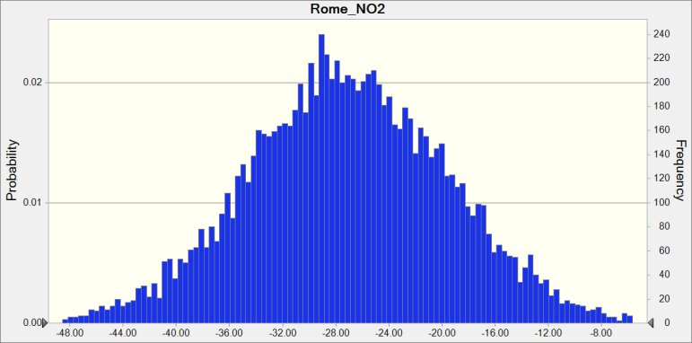

 | Statistics: |  | Forecast values
 |  | Trials | 10,000
 |  | Base Case | 0.00
 |  | Mean | -27.10
 |  | Median | -27.18
 |  | Mode | ---
 |  | Standard Deviation | 7.66
 |  | Variance | 58.69
 |  | Skewness | -0.0130
 |  | Kurtosis | 3.16
 |  | Coeff. of Variability | -0.2826
 |  | Minimum | -57.56
 |  | Maximum | 2.82
 |  | Range Width | 60.39
 |  | Mean Std. Error | 0.08

Forecast: Rome_NO2 (cont'd) |  |  |  |  | Cell: F4

 | Percentiles: |  | Forecast values
 |  | 0% | -57.56
 |  | 10% | -36.68
 |  | 20% | -33.46
 |  | 30% | -31.03
 |  | 40% | -29.06
 |  | 50% | -27.19
 |  | 60% | -25.25
 |  | 70% | -23.12
 |  | 80% | -20.63
 |  | 90% | -17.33
 |  | 100% | 2.82

Forecast: Rome_O3 |  |  |  |  | Cell: F8

 | Summary:
 |  | Entire range is from -8.79 to 66.77
 |  | Base case is 0.00
 |  | After 10,000 trials, the std. error of the mean is 0.10

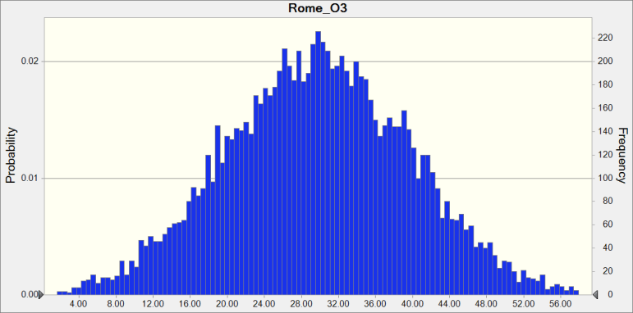

 | Statistics: |  | Forecast values
 |  | Trials | 10,000
 |  | Base Case | 0.00
 |  | Mean | 29.78
 |  | Median | 29.78
 |  | Mode | ---
 |  | Standard Deviation | 10.05
 |  | Variance | 100.97
 |  | Skewness | 0.0137
 |  | Kurtosis | 2.96
 |  | Coeff. of Variability | 0.3374
 |  | Minimum | -8.79
 |  | Maximum | 66.77
 |  | Range Width | 75.55
 |  | Mean Std. Error | 0.10

Forecast: Rome_O3 (cont'd) |  |  |  |  | Cell: F8

 | Percentiles: |  | Forecast values
 |  | 0% | -8.79
 |  | 10% | 16.92
 |  | 20% | 21.21
 |  | 30% | 24.48
 |  | 40% | 27.21
 |  | 50% | 29.77
 |  | 60% | 32.29
 |  | 70% | 34.99
 |  | 80% | 38.43
 |  | 90% | 42.51
 |  | 100% | 66.77

Forecast: Rome_Ox |  |  |  |  | Cell: F16

 | Summary:
 |  | Entire range is from -12.41 to 9.80
 |  | Base case is 0.00
 |  | After 10,000 trials, the std. error of the mean is 0.03

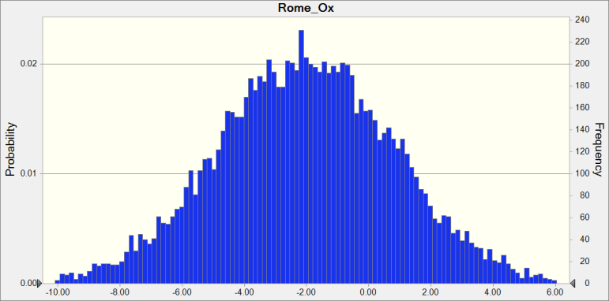

 | Statistics: |  | Forecast values
 |  | Trials | 10,000
 |  | Base Case | 0.00
 |  | Mean | -2.02
 |  | Median | -2.04
 |  | Mode | ---
 |  | Standard Deviation | 2.88
 |  | Variance | 8.29
 |  | Skewness | 0.0142
 |  | Kurtosis | 3.02
 |  | Coeff. of Variability | -1.42
 |  | Minimum | -12.41
 |  | Maximum | 9.80
 |  | Range Width | 22.21
 |  | Mean Std. Error | 0.03

Forecast: Rome_Ox (cont'd) |  |  |  |  | Cell: F16

 | Percentiles: |  | Forecast values
 |  | 0% | -12.41
 |  | 10% | -5.69
 |  | 20% | -4.43
 |  | 30% | -3.55
 |  | 40% | -2.77
 |  | 50% | -2.04
 |  | 60% | -1.30
 |  | 70% | -0.54
 |  | 80% | 0.41
 |  | 90% | 1.61
 |  | 100% | 9.80

Forecast: Rome_PM2_5 |  |  |  |  | Cell: F12

 | Summary:
 |  | Entire range is from -36.39 to 35.40
 |  | Base case is 0.00
 |  | After 10,000 trials, the std. error of the mean is 0.10

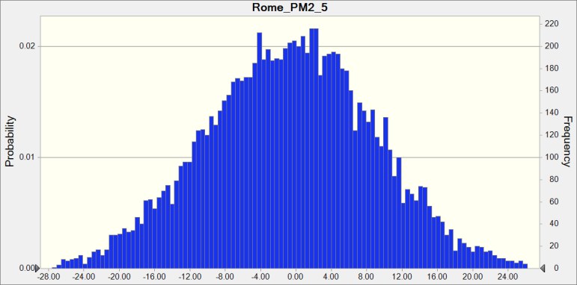

 | Statistics: |  | Forecast values
 |  | Trials | 10,000
 |  | Base Case | 0.00
 |  | Mean | -0.72
 |  | Median | -0.58
 |  | Mode | ---
 |  | Standard Deviation | 9.59
 |  | Variance | 92.03
 |  | Skewness | -0.0270
 |  | Kurtosis | 2.98
 |  | Coeff. of Variability | -13.39
 |  | Minimum | -36.39
 |  | Maximum | 35.40
 |  | Range Width | 71.80
 |  | Mean Std. Error | 0.10

Forecast: Rome_PM2_5 (cont'd) |  |  |  |  | Cell: F12

 | Percentiles: |  | Forecast values
 |  | 0% | -36.39
 |  | 10% | -13.03
 |  | 20% | -8.81
 |  | 30% | -5.77
 |  | 40% | -3.13
 |  | 50% | -0.58
 |  | 60% | 1.84
 |  | 70% | 4.39
 |  | 80% | 7.36
 |  | 90% | 11.44
 |  | 100% | 35.40

Forecast: Wuhan_NO2 |  |  |  |  | Cell: D4

 | Summary:
 |  | Entire range is from -63.49 to -5.59
 |  | Base case is 0.00
 |  | After 10,000 trials, the std. error of the mean is 0.07

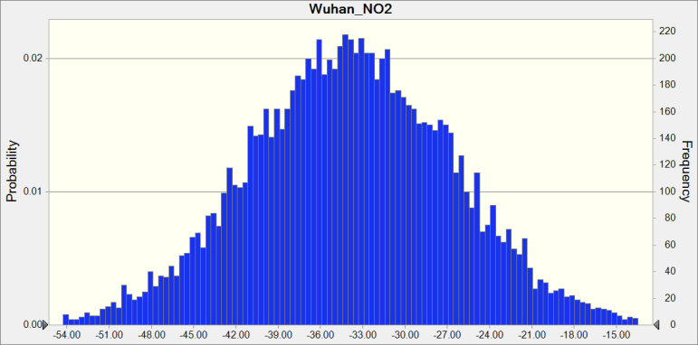

 | Statistics: |  | Forecast values
 |  | Trials | 10,000
 |  | Base Case | 0.00
 |  | Mean | -33.88
 |  | Median | -33.90
 |  | Mode | ---
 |  | Standard Deviation | 7.28
 |  | Variance | 53.03
 |  | Skewness | -0.0021
 |  | Kurtosis | 3.02
 |  | Coeff. of Variability | -0.2149
 |  | Minimum | -63.49
 |  | Maximum | -5.59
 |  | Range Width | 57.90
 |  | Mean Std. Error | 0.07

Forecast: Wuhan_NO2 (cont'd) |  |  |  |  | Cell: D4

 | Percentiles: |  | Forecast values
 |  | 0% | -63.49
 |  | 10% | -43.08
 |  | 20% | -40.01
 |  | 30% | -37.66
 |  | 40% | -35.74
 |  | 50% | -33.90
 |  | 60% | -32.10
 |  | 70% | -30.09
 |  | 80% | -27.67
 |  | 90% | -24.63
 |  | 100% | -5.59

Forecast: Wuhan_O3 |  |  |  |  | Cell: D8

 | Summary:
 |  | Entire range is from -35.30 to 71.50
 |  | Base case is 0.00
 |  | After 10,000 trials, the std. error of the mean is 0.14

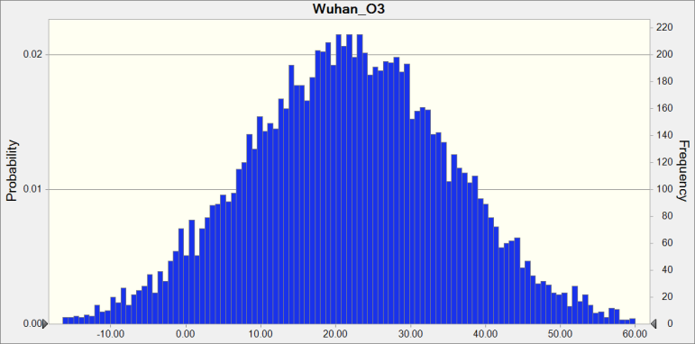

 | Statistics: |  | Forecast values
 |  | Trials | 10,000
 |  | Base Case | 0.00
 |  | Mean | 21.77
 |  | Median | 21.83
 |  | Mode | ---
 |  | Standard Deviation | 13.63
 |  | Variance | 185.78
 |  | Skewness | -0.0156
 |  | Kurtosis | 2.98
 |  | Coeff. of Variability | 0.6260
 |  | Minimum | -35.30
 |  | Maximum | 71.50
 |  | Range Width | 106.80
 |  | Mean Std. Error | 0.14

Forecast: Wuhan_O3 (cont'd) |  |  |  |  | Cell: D8

 | Percentiles: |  | Forecast values
 |  | 0% | -35.30
 |  | 10% | 4.22
 |  | 20% | 10.22
 |  | 30% | 14.59
 |  | 40% | 18.40
 |  | 50% | 21.83
 |  | 60% | 25.30
 |  | 70% | 28.97
 |  | 80% | 33.26
 |  | 90% | 39.18
 |  | 100% | 71.50

Forecast: Wuhan_Ox |  |  |  |  | Cell: D16

 | Summary:
 |  | Entire range is from -16.00 to 16.88
 |  | Base case is 0.00
 |  | After 10,000 trials, the std. error of the mean is 0.04

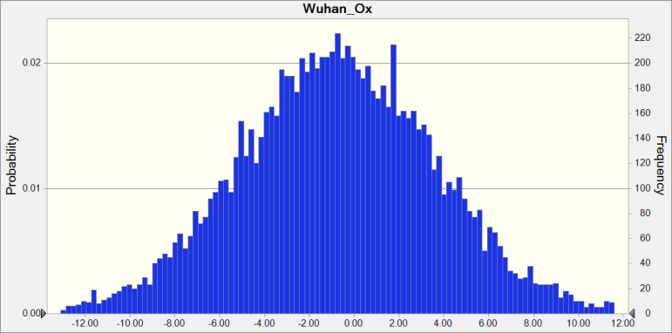

 | Statistics: |  | Forecast values
 |  | Trials | 10,000
 |  | Base Case | 0.00
 |  | Mean | -0.74
 |  | Median | -0.74
 |  | Mode | ---
 |  | Standard Deviation | 4.40
 |  | Variance | 19.39
 |  | Skewness | 0.0131
 |  | Kurtosis | 3.06
 |  | Coeff. of Variability | -5.94
 |  | Minimum | -16.00
 |  | Maximum | 16.88
 |  | Range Width | 32.88
 |  | Mean Std. Error | 0.04

Forecast: Wuhan_Ox (cont'd) |  |  |  |  | Cell: D16

 | Percentiles: |  | Forecast values
 |  | 0% | -16.00
 |  | 10% | -6.36
 |  | 20% | -4.45
 |  | 30% | -3.04
 |  | 40% | -1.86
 |  | 50% | -0.74
 |  | 60% | 0.35
 |  | 70% | 1.59
 |  | 80% | 2.95
 |  | 90% | 4.87
 |  | 100% | 16.88

Forecast: Wuhan_PM2_5 |  |  |  |  | Cell: D12

 | Summary:
 |  | Entire range is from -115.83 to 88.07
 |  | Base case is 0.00
 |  | After 10,000 trials, the std. error of the mean is 0.25

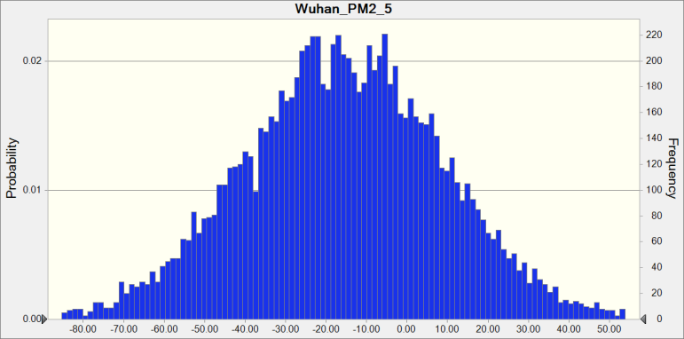

 | Statistics: |  | Forecast values
 |  | Trials | 10,000
 |  | Base Case | 0.00
 |  | Mean | -15.69
 |  | Median | -15.77
 |  | Mode | ---
 |  | Standard Deviation | 24.83
 |  | Variance | 616.70
 |  | Skewness | -0.0054
 |  | Kurtosis | 3.09
 |  | Coeff. of Variability | -1.58
 |  | Minimum | -115.83
 |  | Maximum | 88.07
 |  | Range Width | 203.89
 |  | Mean Std. Error | 0.25

Forecast: Wuhan_PM2_5 (cont'd) |  |  |  |  | Cell: D12

 | Percentiles: |  | Forecast values
 |  | 0% | -115.83
 |  | 10% | -47.46
 |  | 20% | -36.28
 |  | 30% | -28.38
 |  | 40% | -22.06
 |  | 50% | -15.77
 |  | 60% | -9.17
 |  | 70% | -2.90
 |  | 80% | 5.21
 |  | 90% | 15.86
 |  | 100% | 88.07

End of Forecasts

Rural_Detrended
 |  |  |  | Crystal Ball Report - Forecasts
 |  |  |  | Simulation started on 2020/9/1 at 22:19
 |  |  |  | Simulation stopped on 2020/9/1 at 22:19

 | Run preferences:
 |  | Number of trials run | 10,000
 |  | Extreme speed
 |  | Monte Carlo
 |  | Random seed
 |  | Precision control on
 |  | Confidence level | 95.00%

 | Run statistics:
 |  | Total running time (sec) | 3.59
 |  | Trials/second (average) | 2,784
 |  | Random numbers per sec | 222,690

 | Crystal Ball data:
 |  | Assumptions | 80
 |  | Correlations | 0
 |  | Correlated groups | 0
 |  | Decision variables | 0
 |  | Forecasts | 40

 |  |  |  | Forecasts

Worksheet: [RuralPercentageChangeMonteCarlo.xlsx]Sheet1

Forecast: Beijing_NO2 |  |  |  |  | Cell: C4

 | Summary:
 |  | Entire range is from -53.55 to -0.09
 |  | Base case is 0.00
 |  | After 10,000 trials, the std. error of the mean is 0.07

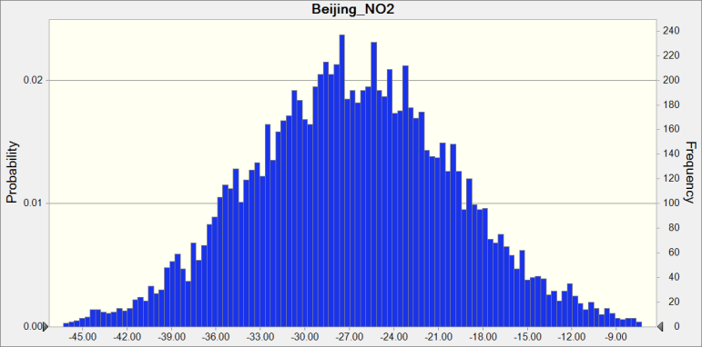

 | Statistics: |  | Forecast values
 |  | Trials | 10,000
 |  | Base Case | 0.00
 |  | Mean | -26.79
 |  | Median | -26.85
 |  | Mode | ---
 |  | Standard Deviation | 6.96
 |  | Variance | 48.39
 |  | Skewness | 0.0292
 |  | Kurtosis | 3.03
 |  | Coeff. of Variability | -0.2596
 |  | Minimum | -53.55
 |  | Maximum | -0.09
 |  | Range Width | 53.45
 |  | Mean Std. Error | 0.07

Forecast: Beijing_NO2 (cont'd) |  |  |  |  | Cell: C4

 | Percentiles: |  | Forecast values
 |  | 0% | -53.55
 |  | 10% | -35.62
 |  | 20% | -32.66
 |  | 30% | -30.49
 |  | 40% | -28.58
 |  | 50% | -26.85
 |  | 60% | -25.06
 |  | 70% | -23.16
 |  | 80% | -20.96
 |  | 90% | -17.96
 |  | 100% | -0.09

Forecast: Beijing_O3 |  |  |  |  | Cell: C8

 | Summary:
 |  | Entire range is from -7.45 to 41.48
 |  | Base case is 0.00
 |  | After 10,000 trials, the std. error of the mean is 0.07

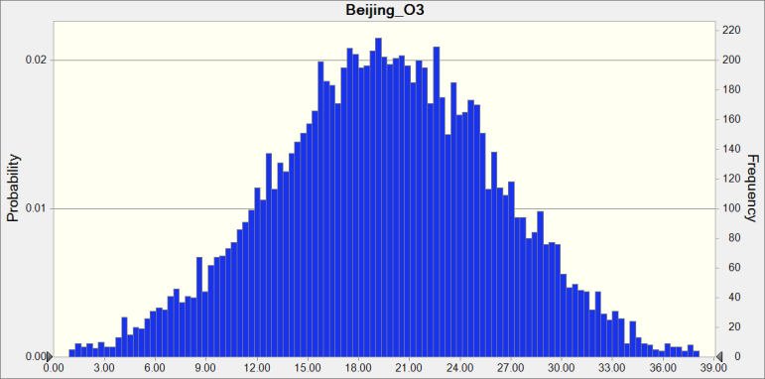

 | Statistics: |  | Forecast values
 |  | Trials | 10,000
 |  | Base Case | 0.00
 |  | Mean | 19.51
 |  | Median | 19.54
 |  | Mode | ---
 |  | Standard Deviation | 6.64
 |  | Variance | 44.15
 |  | Skewness | -0.0674
 |  | Kurtosis | 2.95
 |  | Coeff. of Variability | 0.3405
 |  | Minimum | -7.45
 |  | Maximum | 41.48
 |  | Range Width | 48.93
 |  | Mean Std. Error | 0.07

Forecast: Beijing_O3 (cont'd) |  |  |  |  | Cell: C8

 | Percentiles: |  | Forecast values
 |  | 0% | -7.45
 |  | 10% | 10.98
 |  | 20% | 13.99
 |  | 30% | 16.06
 |  | 40% | 17.88
 |  | 50% | 19.54
 |  | 60% | 21.29
 |  | 70% | 23.07
 |  | 80% | 25.11
 |  | 90% | 28.05
 |  | 100% | 41.48

Forecast: Beijing_Ox |  |  |  |  | Cell: C16

 | Summary:
 |  | Entire range is from -19.45 to 23.09
 |  | Base case is 0.00
 |  | After 10,000 trials, the std. error of the mean is 0.05

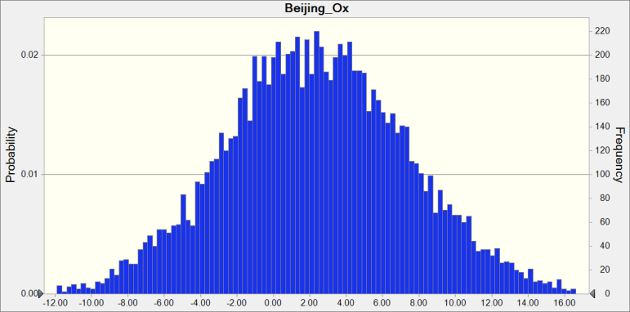

 | Statistics: |  | Forecast values
 |  | Trials | 10,000
 |  | Base Case | 0.00
 |  | Mean | 2.36
 |  | Median | 2.30
 |  | Mode | ---
 |  | Standard Deviation | 5.09
 |  | Variance | 25.88
 |  | Skewness | 0.0521
 |  | Kurtosis | 3.12
 |  | Coeff. of Variability | 2.16
 |  | Minimum | -19.45
 |  | Maximum | 23.09
 |  | Range Width | 42.54
 |  | Mean Std. Error | 0.05

Forecast: Beijing_Ox (cont'd) |  |  |  |  | Cell: C16

 | Percentiles: |  | Forecast values
 |  | 0% | -19.45
 |  | 10% | -4.00
 |  | 20% | -1.83
 |  | 30% | -0.37
 |  | 40% | 0.99
 |  | 50% | 2.30
 |  | 60% | 3.62
 |  | 70% | 4.95
 |  | 80% | 6.60
 |  | 90% | 8.93
 |  | 100% | 23.09

Forecast: Beijing_PM2_5 |  |  |  |  | Cell: C12

 | Summary:
 |  | Entire range is from -53.27 to 51.16
 |  | Base case is 0.00
 |  | After 10,000 trials, the std. error of the mean is 0.15

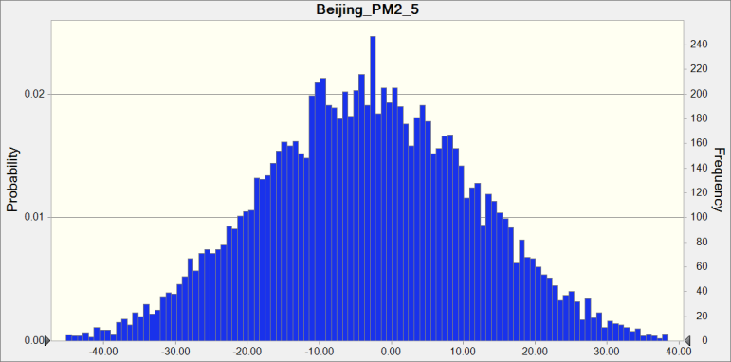

 | Statistics: |  | Forecast values
 |  | Trials | 10,000
 |  | Base Case | 0.00
 |  | Mean | -3.36
 |  | Median | -3.43
 |  | Mode | ---
 |  | Standard Deviation | 14.94
 |  | Variance | 223.13
 |  | Skewness | 0.0116
 |  | Kurtosis | 2.94
 |  | Coeff. of Variability | -4.44
 |  | Minimum | -53.27
 |  | Maximum | 51.16
 |  | Range Width | 104.43
 |  | Mean Std. Error | 0.15

Forecast: Beijing_PM2_5 (cont'd) |  |  |  |  | Cell: C12

 | Percentiles: |  | Forecast values
 |  | 0% | -53.27
 |  | 10% | -22.58
 |  | 20% | -15.98
 |  | 30% | -11.09
 |  | 40% | -7.29
 |  | 50% | -3.43
 |  | 60% | 0.35
 |  | 70% | 4.56
 |  | 80% | 9.26
 |  | 90% | 15.83
 |  | 100% | 51.16

Forecast: Berlin_NO2 |  |  |  |  | Cell: J4

 | Summary:
 |  | Entire range is from -47.32 to 39.94
 |  | Base case is 0.00
 |  | After 10,000 trials, the std. error of the mean is 0.11

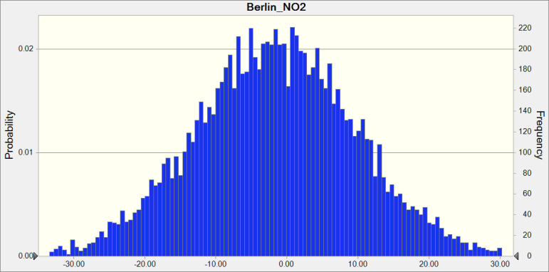

 | Statistics: |  | Forecast values
 |  | Trials | 10,000
 |  | Base Case | 0.00
 |  | Mean | -1.59
 |  | Median | -1.53
 |  | Mode | ---
 |  | Standard Deviation | 11.35
 |  | Variance | 128.82
 |  | Skewness | 5.3652E-04
 |  | Kurtosis | 3.01
 |  | Coeff. of Variability | -7.15
 |  | Minimum | -47.32
 |  | Maximum | 39.94
 |  | Range Width | 87.26
 |  | Mean Std. Error | 0.11

Forecast: Berlin_NO2 (cont'd) |  |  |  |  | Cell: J4

 | Percentiles: |  | Forecast values
 |  | 0% | -47.32
 |  | 10% | -16.31
 |  | 20% | -11.06
 |  | 30% | -7.53
 |  | 40% | -4.49
 |  | 50% | -1.54
 |  | 60% | 1.30
 |  | 70% | 4.35
 |  | 80% | 7.90
 |  | 90% | 12.82
 |  | 100% | 39.94

Forecast: Berlin_O3 |  |  |  |  | Cell: J8

 | Summary:
 |  | Entire range is from -58.49 to 93.18
 |  | Base case is 0.00
 |  | After 10,000 trials, the std. error of the mean is 0.21

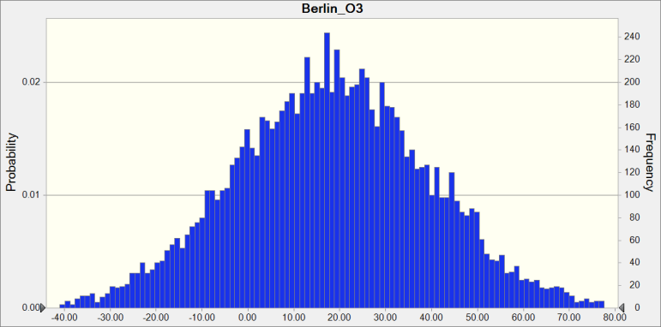

 | Statistics: |  | Forecast values
 |  | Trials | 10,000
 |  | Base Case | 0.00
 |  | Mean | 18.29
 |  | Median | 18.29
 |  | Mode | ---
 |  | Standard Deviation | 21.16
 |  | Variance | 447.73
 |  | Skewness | 0.0298
 |  | Kurtosis | 2.96
 |  | Coeff. of Variability | 1.16
 |  | Minimum | -58.49
 |  | Maximum | 93.18
 |  | Range Width | 151.67
 |  | Mean Std. Error | 0.21

Forecast: Berlin_O3 (cont'd) |  |  |  |  | Cell: J8

 | Percentiles: |  | Forecast values
 |  | 0% | -58.49
 |  | 10% | -8.77
 |  | 20% | 0.21
 |  | 30% | 7.23
 |  | 40% | 13.03
 |  | 50% | 18.29
 |  | 60% | 23.69
 |  | 70% | 29.30
 |  | 80% | 35.91
 |  | 90% | 45.53
 |  | 100% | 93.18

Forecast: Berlin_Ox |  |  |  |  | Cell: J16

 | Summary:
 |  | Entire range is from -56.43 to 86.03
 |  | Base case is 0.00
 |  | After 10,000 trials, the std. error of the mean is 0.17

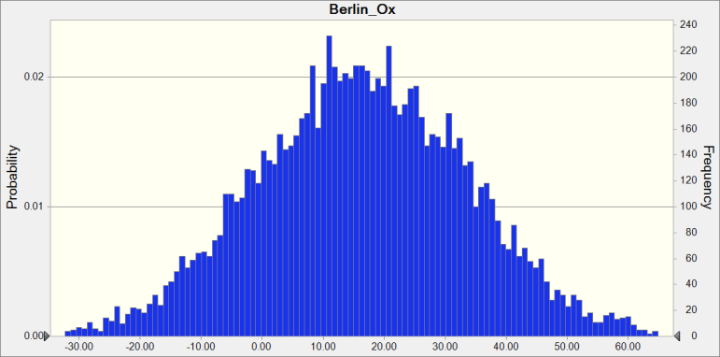

 | Statistics: |  | Forecast values
 |  | Trials | 10,000
 |  | Base Case | 0.00
 |  | Mean | 16.28
 |  | Median | 16.26
 |  | Mode | ---
 |  | Standard Deviation | 17.33
 |  | Variance | 300.40
 |  | Skewness | -0.0142
 |  | Kurtosis | 2.99
 |  | Coeff. of Variability | 1.06
 |  | Minimum | -56.43
 |  | Maximum | 86.03
 |  | Range Width | 142.46
 |  | Mean Std. Error | 0.17

Forecast: Berlin_Ox (cont'd) |  |  |  |  | Cell: J16

 | Percentiles: |  | Forecast values
 |  | 0% | -56.43
 |  | 10% | -5.92
 |  | 20% | 1.39
 |  | 30% | 7.39
 |  | 40% | 11.87
 |  | 50% | 16.26
 |  | 60% | 20.65
 |  | 70% | 25.46
 |  | 80% | 31.08
 |  | 90% | 38.28
 |  | 100% | 86.03

Forecast: Delhi_NO2 |  |  |  |  | Cell: M4

 | Summary:
 |  | Entire range is from -57.31 to -15.74
 |  | Base case is 0.00
 |  | After 10,000 trials, the std. error of the mean is 0.05

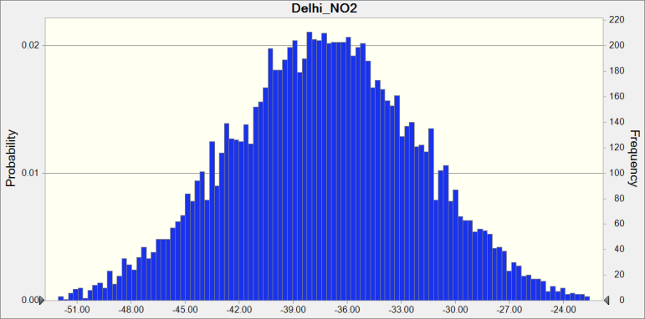

 | Statistics: |  | Forecast values
 |  | Trials | 10,000
 |  | Base Case | 0.00
 |  | Mean | -37.31
 |  | Median | -37.29
 |  | Mode | ---
 |  | Standard Deviation | 5.26
 |  | Variance | 27.71
 |  | Skewness | -0.0122
 |  | Kurtosis | 2.96
 |  | Coeff. of Variability | -0.1411
 |  | Minimum | -57.31
 |  | Maximum | -15.74
 |  | Range Width | 41.57
 |  | Mean Std. Error | 0.05

Forecast: Delhi_NO2 (cont'd) |  |  |  |  | Cell: M4

 | Percentiles: |  | Forecast values
 |  | 0% | -57.31
 |  | 10% | -44.13
 |  | 20% | -41.77
 |  | 30% | -40.04
 |  | 40% | -38.64
 |  | 50% | -37.29
 |  | 60% | -35.95
 |  | 70% | -34.56
 |  | 80% | -32.83
 |  | 90% | -30.55
 |  | 100% | -15.74

Forecast: Delhi_PM2_5 |  |  |  |  | Cell: M12

 | Summary:
 |  | Entire range is from -38.12 to 5.90
 |  | Base case is 0.00
 |  | After 10,000 trials, the std. error of the mean is 0.05



 | Statistics: |  | Forecast values
 |  | Trials | 10,000
 |  | Base Case | 0.00
 |  | Mean | -15.27
 |  | Median | -15.36
 |  | Mode | ---
 |  | Standard Deviation | 5.40
 |  | Variance | 29.16
 |  | Skewness | 0.0354
 |  | Kurtosis | 3.00
 |  | Coeff. of Variability | -0.3537
 |  | Minimum | -38.12
 |  | Maximum | 5.90
 |  | Range Width | 44.02
 |  | Mean Std. Error | 0.05

Forecast: Delhi_PM2_5 (cont'd) |  |  |  |  | Cell: M12

 | Percentiles: |  | Forecast values
 |  | 0% | -38.12
 |  | 10% | -22.20
 |  | 20% | -19.78
 |  | 30% | -18.16
 |  | 40% | -16.65
 |  | 50% | -15.36
 |  | 60% | -13.91
 |  | 70% | -12.42
 |  | 80% | -10.70
 |  | 90% | -8.38
 |  | 100% | 5.90

Forecast: LA_NO2 |  |  |  |  | Cell: L4

 | Summary:
 |  | Entire range is from -45.96 to 0.08
 |  | Base case is 0.00
 |  | After 10,000 trials, the std. error of the mean is 0.06



 | Statistics: |  | Forecast values
 |  | Trials | 10,000
 |  | Base Case | 0.00
 |  | Mean | -21.90
 |  | Median | -21.98
 |  | Mode | ---
 |  | Standard Deviation | 6.10
 |  | Variance | 37.22
 |  | Skewness | 0.0289
 |  | Kurtosis | 2.98
 |  | Coeff. of Variability | -0.2786
 |  | Minimum | -45.96
 |  | Maximum | 0.08
 |  | Range Width | 46.04
 |  | Mean Std. Error | 0.06

Forecast: LA_NO2 (cont'd) |  |  |  |  | Cell: L4

 | Percentiles: |  | Forecast values
 |  | 0% | -45.96
 |  | 10% | -29.67
 |  | 20% | -27.05
 |  | 30% | -25.19
 |  | 40% | -23.49
 |  | 50% | -21.98
 |  | 60% | -20.43
 |  | 70% | -18.67
 |  | 80% | -16.72
 |  | 90% | -14.06
 |  | 100% | 0.08

Forecast: LA_O3 |  |  |  |  | Cell: L8

 | Summary:
 |  | Entire range is from -17.58 to 14.70
 |  | Base case is 0.00
 |  | After 10,000 trials, the std. error of the mean is 0.05



 | Statistics: |  | Forecast values
 |  | Trials | 10,000
 |  | Base Case | 0.00
 |  | Mean | -2.77
 |  | Median | -2.77
 |  | Mode | ---
 |  | Standard Deviation | 4.59
 |  | Variance | 21.04
 |  | Skewness | 0.0076
 |  | Kurtosis | 2.98
 |  | Coeff. of Variability | -1.66
 |  | Minimum | -17.58
 |  | Maximum | 14.70
 |  | Range Width | 32.28
 |  | Mean Std. Error | 0.05

Forecast: LA_O3 (cont'd) |  |  |  |  | Cell: L8

 | Percentiles: |  | Forecast values
 |  | 0% | -17.58
 |  | 10% | -8.73
 |  | 20% | -6.58
 |  | 30% | -5.10
 |  | 40% | -3.88
 |  | 50% | -2.77
 |  | 60% | -1.62
 |  | 70% | -0.41
 |  | 80% | 1.02
 |  | 90% | 3.10
 |  | 100% | 14.70

Forecast: LA_Ox |  |  |  |  | Cell: L16

 | Summary:
 |  | Entire range is from -17.17 to 2.61
 |  | Base case is 0.00
 |  | After 10,000 trials, the std. error of the mean is 0.03



 | Statistics: |  | Forecast values
 |  | Trials | 10,000
 |  | Base Case | 0.00
 |  | Mean | -6.42
 |  | Median | -6.41
 |  | Mode | ---
 |  | Standard Deviation | 2.76
 |  | Variance | 7.62
 |  | Skewness | -0.0264
 |  | Kurtosis | 2.95
 |  | Coeff. of Variability | -0.4303
 |  | Minimum | -17.17
 |  | Maximum | 2.61
 |  | Range Width | 19.79
 |  | Mean Std. Error | 0.03

Forecast: LA_Ox (cont'd) |  |  |  |  | Cell: L16

 | Percentiles: |  | Forecast values
 |  | 0% | -17.17
 |  | 10% | -9.97
 |  | 20% | -8.75
 |  | 30% | -7.87
 |  | 40% | -7.10
 |  | 50% | -6.41
 |  | 60% | -5.71
 |  | 70% | -4.94
 |  | 80% | -4.09
 |  | 90% | -2.89
 |  | 100% | 2.61

Forecast: LA_PM2_5 |  |  |  |  | Cell: L12

 | Summary:
 |  | Entire range is from -68.56 to 17.10
 |  | Base case is 0.00
 |  | After 10,000 trials, the std. error of the mean is 0.11



 | Statistics: |  | Forecast values
 |  | Trials | 10,000
 |  | Base Case | 0.00
 |  | Mean | -22.74
 |  | Median | -22.86
 |  | Mode | ---
 |  | Standard Deviation | 10.76
 |  | Variance | 115.81
 |  | Skewness | 0.0283
 |  | Kurtosis | 3.01
 |  | Coeff. of Variability | -0.4732
 |  | Minimum | -68.56
 |  | Maximum | 17.10
 |  | Range Width | 85.65
 |  | Mean Std. Error | 0.11

Forecast: LA_PM2_5 (cont'd) |  |  |  |  | Cell: L12

 | Percentiles: |  | Forecast values
 |  | 0% | -68.56
 |  | 10% | -36.43
 |  | 20% | -31.84
 |  | 30% | -28.31
 |  | 40% | -25.57
 |  | 50% | -22.86
 |  | 60% | -20.18
 |  | 70% | -17.15
 |  | 80% | -13.65
 |  | 90% | -8.87
 |  | 100% | 17.10

Forecast: London_NO2 |  |  |  |  | Cell: H4

 | Summary:
 |  | Entire range is from -25.81 to 31.85
 |  | Base case is 0.00
 |  | After 10,000 trials, the std. error of the mean is 0.08



 | Statistics: |  | Forecast values
 |  | Trials | 10,000
 |  | Base Case | 0.00
 |  | Mean | 4.70
 |  | Median | 4.71
 |  | Mode | ---
 |  | Standard Deviation | 8.09
 |  | Variance | 65.46
 |  | Skewness | -0.0147
 |  | Kurtosis | 2.86
 |  | Coeff. of Variability | 1.72
 |  | Minimum | -25.81
 |  | Maximum | 31.85
 |  | Range Width | 57.66
 |  | Mean Std. Error | 0.08

Forecast: London_NO2 (cont'd) |  |  |  |  | Cell: H4

 | Percentiles: |  | Forecast values
 |  | 0% | -25.81
 |  | 10% | -5.73
 |  | 20% | -2.18
 |  | 30% | 0.43
 |  | 40% | 2.61
 |  | 50% | 4.71
 |  | 60% | 6.80
 |  | 70% | 9.00
 |  | 80% | 11.62
 |  | 90% | 15.15
 |  | 100% | 31.85

Forecast: London_O3 |  |  |  |  | Cell: H8

 | Summary:
 |  | Entire range is from -23.07 to 11.08
 |  | Base case is 0.00
 |  | After 10,000 trials, the std. error of the mean is 0.05



 | Statistics: |  | Forecast values
 |  | Trials | 10,000
 |  | Base Case | 0.00
 |  | Mean | -5.09
 |  | Median | -5.11
 |  | Mode | ---
 |  | Standard Deviation | 4.57
 |  | Variance | 20.91
 |  | Skewness | 0.0285
 |  | Kurtosis | 2.94
 |  | Coeff. of Variability | -0.8984
 |  | Minimum | -23.07
 |  | Maximum | 11.08
 |  | Range Width | 34.16
 |  | Mean Std. Error | 0.05

Forecast: London_O3 (cont'd) |  |  |  |  | Cell: H8

 | Percentiles: |  | Forecast values
 |  | 0% | -23.07
 |  | 10% | -10.96
 |  | 20% | -8.94
 |  | 30% | -7.53
 |  | 40% | -6.26
 |  | 50% | -5.11
 |  | 60% | -3.95
 |  | 70% | -2.72
 |  | 80% | -1.28
 |  | 90% | 0.82
 |  | 100% | 11.08

Forecast: London_Ox |  |  |  |  | Cell: H16

 | Summary:
 |  | Entire range is from -13.58 to 8.43
 |  | Base case is 0.00
 |  | After 10,000 trials, the std. error of the mean is 0.03



 | Statistics: |  | Forecast values
 |  | Trials | 10,000
 |  | Base Case | 0.00
 |  | Mean | -2.93
 |  | Median | -2.91
 |  | Mode | ---
 |  | Standard Deviation | 2.60
 |  | Variance | 6.78
 |  | Skewness | -0.0427
 |  | Kurtosis | 3.06
 |  | Coeff. of Variability | -0.8896
 |  | Minimum | -13.58
 |  | Maximum | 8.43
 |  | Range Width | 22.00
 |  | Mean Std. Error | 0.03

Forecast: London_Ox (cont'd) |  |  |  |  | Cell: H16

 | Percentiles: |  | Forecast values
 |  | 0% | -13.58
 |  | 10% | -6.30
 |  | 20% | -5.08
 |  | 30% | -4.25
 |  | 40% | -3.55
 |  | 50% | -2.91
 |  | 60% | -2.25
 |  | 70% | -1.53
 |  | 80% | -0.76
 |  | 90% | 0.37
 |  | 100% | 8.43

Forecast: London_PM2_5 |  |  |  |  | Cell: H12

 | Summary:
 |  | Entire range is from -67.70 to 97.30
 |  | Base case is 0.00
 |  | After 10,000 trials, the std. error of the mean is 0.21



 | Statistics: |  | Forecast values
 |  | Trials | 10,000
 |  | Base Case | 0.00
 |  | Mean | 19.57
 |  | Median | 19.77
 |  | Mode | ---
 |  | Standard Deviation | 21.31
 |  | Variance | 453.97
 |  | Skewness | -0.0200
 |  | Kurtosis | 3.00
 |  | Coeff. of Variability | 1.09
 |  | Minimum | -67.70
 |  | Maximum | 97.30
 |  | Range Width | 165.00
 |  | Mean Std. Error | 0.21

Forecast: London_PM2_5 (cont'd) |  |  |  |  | Cell: H12

 | Percentiles: |  | Forecast values
 |  | 0% | -67.70
 |  | 10% | -7.96
 |  | 20% | 1.96
 |  | 30% | 8.46
 |  | 40% | 14.22
 |  | 50% | 19.77
 |  | 60% | 24.97
 |  | 70% | 30.55
 |  | 80% | 37.29
 |  | 90% | 46.88
 |  | 100% | 97.30

Forecast: Madrid_NO2 |  |  |  |  | Cell: G4

 | Summary:
 |  | Entire range is from -125.02 to 33.65
 |  | Base case is 0.00
 |  | After 10,000 trials, the std. error of the mean is 0.21



 | Statistics: |  | Forecast values
 |  | Trials | 10,000
 |  | Base Case | 0.00
 |  | Mean | -36.37
 |  | Median | -36.47
 |  | Mode | ---
 |  | Standard Deviation | 20.72
 |  | Variance | 429.33
 |  | Skewness | 0.0037
 |  | Kurtosis | 3.01
 |  | Coeff. of Variability | -0.5696
 |  | Minimum | -125.02
 |  | Maximum | 33.65
 |  | Range Width | 158.66
 |  | Mean Std. Error | 0.21

Forecast: Madrid_NO2 (cont'd) |  |  |  |  | Cell: G4

 | Percentiles: |  | Forecast values
 |  | 0% | -125.02
 |  | 10% | -62.65
 |  | 20% | -53.87
 |  | 30% | -47.16
 |  | 40% | -41.75
 |  | 50% | -36.47
 |  | 60% | -31.26
 |  | 70% | -25.43
 |  | 80% | -19.01
 |  | 90% | -9.80
 |  | 100% | 33.65

Forecast: Madrid_O3 |  |  |  |  | Cell: G8

 | Summary:
 |  | Entire range is from -26.41 to 29.30
 |  | Base case is 0.00
 |  | After 10,000 trials, the std. error of the mean is 0.07



 | Statistics: |  | Forecast values
 |  | Trials | 10,000
 |  | Base Case | 0.00
 |  | Mean | 0.83
 |  | Median | 0.86
 |  | Mode | ---
 |  | Standard Deviation | 7.26
 |  | Variance | 52.65
 |  | Skewness | -0.0072
 |  | Kurtosis | 3.10
 |  | Coeff. of Variability | 8.79
 |  | Minimum | -26.41
 |  | Maximum | 29.30
 |  | Range Width | 55.71
 |  | Mean Std. Error | 0.07

Forecast: Madrid_O3 (cont'd) |  |  |  |  | Cell: G8

 | Percentiles: |  | Forecast values
 |  | 0% | -26.41
 |  | 10% | -8.44
 |  | 20% | -5.30
 |  | 30% | -2.96
 |  | 40% | -0.95
 |  | 50% | 0.86
 |  | 60% | 2.74
 |  | 70% | 4.61
 |  | 80% | 6.81
 |  | 90% | 9.99
 |  | 100% | 29.30

Forecast: Madrid_Ox |  |  |  |  | Cell: G16

 | Summary:
 |  | Entire range is from -21.71 to 15.16
 |  | Base case is 0.00
 |  | After 10,000 trials, the std. error of the mean is 0.05



 | Statistics: |  | Forecast values
 |  | Trials | 10,000
 |  | Base Case | 0.00
 |  | Mean | -3.04
 |  | Median | -3.04
 |  | Mode | ---
 |  | Standard Deviation | 4.76
 |  | Variance | 22.70
 |  | Skewness | 0.0388
 |  | Kurtosis | 2.99
 |  | Coeff. of Variability | -1.57
 |  | Minimum | -21.71
 |  | Maximum | 15.16
 |  | Range Width | 36.87
 |  | Mean Std. Error | 0.05

Forecast: Madrid_Ox (cont'd) |  |  |  |  | Cell: G16

 | Percentiles: |  | Forecast values
 |  | 0% | -21.71
 |  | 10% | -9.15
 |  | 20% | -7.08
 |  | 30% | -5.54
 |  | 40% | -4.29
 |  | 50% | -3.04
 |  | 60% | -1.83
 |  | 70% | -0.57
 |  | 80% | 1.01
 |  | 90% | 3.08
 |  | 100% | 15.16

Forecast: Madrid_PM2_5 |  |  |  |  | Cell: G12

 | Summary:
 |  | Entire range is from -57.02 to 34.63
 |  | Base case is 0.00
 |  | After 10,000 trials, the std. error of the mean is 0.13



 | Statistics: |  | Forecast values
 |  | Trials | 10,000
 |  | Base Case | 0.00
 |  | Mean | -12.19
 |  | Median | -12.23
 |  | Mode | ---
 |  | Standard Deviation | 12.86
 |  | Variance | 165.27
 |  | Skewness | 0.0236
 |  | Kurtosis | 2.94
 |  | Coeff. of Variability | -1.05
 |  | Minimum | -57.02
 |  | Maximum | 34.63
 |  | Range Width | 91.65
 |  | Mean Std. Error | 0.13

Forecast: Madrid_PM2_5 (cont'd) |  |  |  |  | Cell: G12

 | Percentiles: |  | Forecast values
 |  | 0% | -57.02
 |  | 10% | -28.72
 |  | 20% | -23.13
 |  | 30% | -19.01
 |  | 40% | -15.46
 |  | 50% | -12.23
 |  | 60% | -9.03
 |  | 70% | -5.51
 |  | 80% | -1.20
 |  | 90% | 4.29
 |  | 100% | 34.63

Forecast: Milan_NO2 |  |  |  |  | Cell: E4

 | Summary:
 |  | Entire range is from -56.82 to 30.58
 |  | Base case is 0.00
 |  | After 10,000 trials, the std. error of the mean is 0.12



 | Statistics: |  | Forecast values
 |  | Trials | 10,000
 |  | Base Case | 0.00
 |  | Mean | -15.22
 |  | Median | -15.04
 |  | Mode | ---
 |  | Standard Deviation | 11.65
 |  | Variance | 135.72
 |  | Skewness | -0.0246
 |  | Kurtosis | 2.99
 |  | Coeff. of Variability | -0.7652
 |  | Minimum | -56.82
 |  | Maximum | 30.58
 |  | Range Width | 87.41
 |  | Mean Std. Error | 0.12

Forecast: Milan_NO2 (cont'd) |  |  |  |  | Cell: E4

 | Percentiles: |  | Forecast values
 |  | 0% | -56.82
 |  | 10% | -30.13
 |  | 20% | -25.02
 |  | 30% | -21.49
 |  | 40% | -18.17
 |  | 50% | -15.04
 |  | 60% | -12.19
 |  | 70% | -9.06
 |  | 80% | -5.42
 |  | 90% | -0.42
 |  | 100% | 30.58

Forecast: Milan_O3 |  |  |  |  | Cell: E8

 | Summary:
 |  | Entire range is from -53.21 to 88.69
 |  | Base case is 0.00
 |  | After 10,000 trials, the std. error of the mean is 0.16



 | Statistics: |  | Forecast values
 |  | Trials | 10,000
 |  | Base Case | 0.00
 |  | Mean | 15.04
 |  | Median | 14.95
 |  | Mode | ---
 |  | Standard Deviation | 15.93
 |  | Variance | 253.91
 |  | Skewness | 0.0191
 |  | Kurtosis | 3.07
 |  | Coeff. of Variability | 1.06
 |  | Minimum | -53.21
 |  | Maximum | 88.69
 |  | Range Width | 141.90
 |  | Mean Std. Error | 0.16

Forecast: Milan_O3 (cont'd) |  |  |  |  | Cell: E8

 | Percentiles: |  | Forecast values
 |  | 0% | -53.21
 |  | 10% | -5.34
 |  | 20% | 1.68
 |  | 30% | 6.84
 |  | 40% | 11.02
 |  | 50% | 14.95
 |  | 60% | 18.97
 |  | 70% | 23.31
 |  | 80% | 28.46
 |  | 90% | 35.42
 |  | 100% | 88.69

Forecast: Milan_Ox |  |  |  |  | Cell: E16

 | Summary:
 |  | Entire range is from -20.57 to 10.61
 |  | Base case is 0.00
 |  | After 10,000 trials, the std. error of the mean is 0.04



 | Statistics: |  | Forecast values
 |  | Trials | 10,000
 |  | Base Case | 0.00
 |  | Mean | -4.69
 |  | Median | -4.70
 |  | Mode | ---
 |  | Standard Deviation | 4.03
 |  | Variance | 16.27
 |  | Skewness | 0.0160
 |  | Kurtosis | 3.00
 |  | Coeff. of Variability | -0.8606
 |  | Minimum | -20.57
 |  | Maximum | 10.61
 |  | Range Width | 31.18
 |  | Mean Std. Error | 0.04

Forecast: Milan_Ox (cont'd) |  |  |  |  | Cell: E16

 | Percentiles: |  | Forecast values
 |  | 0% | -20.57
 |  | 10% | -9.87
 |  | 20% | -8.12
 |  | 30% | -6.77
 |  | 40% | -5.76
 |  | 50% | -4.70
 |  | 60% | -3.69
 |  | 70% | -2.58
 |  | 80% | -1.32
 |  | 90% | 0.53
 |  | 100% | 10.61

Forecast: NY_NO2 |  |  |  |  | Cell: K4

 | Summary:
 |  | Entire range is from -81.44 to 85.17
 |  | Base case is 0.00
 |  | After 10,000 trials, the std. error of the mean is 0.22



 | Statistics: |  | Forecast values
 |  | Trials | 10,000
 |  | Base Case | 0.00
 |  | Mean | -4.84
 |  | Median | -4.83
 |  | Mode | ---
 |  | Standard Deviation | 21.83
 |  | Variance | 476.64
 |  | Skewness | 0.0301
 |  | Kurtosis | 2.97
 |  | Coeff. of Variability | -4.51
 |  | Minimum | -81.44
 |  | Maximum | 85.17
 |  | Range Width | 166.61
 |  | Mean Std. Error | 0.22

Forecast: NY_NO2 (cont'd) |  |  |  |  | Cell: K4

 | Percentiles: |  | Forecast values
 |  | 0% | -81.44
 |  | 10% | -32.96
 |  | 20% | -23.60
 |  | 30% | -16.66
 |  | 40% | -10.54
 |  | 50% | -4.84
 |  | 60% | 0.80
 |  | 70% | 6.78
 |  | 80% | 13.83
 |  | 90% | 22.99
 |  | 100% | 85.17

Forecast: NY_O3 |  |  |  |  | Cell: K8

 | Summary:
 |  | Entire range is from -36.29 to 28.80
 |  | Base case is 0.00
 |  | After 10,000 trials, the std. error of the mean is 0.08



 | Statistics: |  | Forecast values
 |  | Trials | 10,000
 |  | Base Case | 0.00
 |  | Mean | -2.57
 |  | Median | -2.62
 |  | Mode | ---
 |  | Standard Deviation | 8.31
 |  | Variance | 69.08
 |  | Skewness | 0.0152
 |  | Kurtosis | 3.01
 |  | Coeff. of Variability | -3.23
 |  | Minimum | -36.29
 |  | Maximum | 28.80
 |  | Range Width | 65.09
 |  | Mean Std. Error | 0.08

Forecast: NY_O3 (cont'd) |  |  |  |  | Cell: K8

 | Percentiles: |  | Forecast values
 |  | 0% | -36.29
 |  | 10% | -13.20
 |  | 20% | -9.55
 |  | 30% | -6.90
 |  | 40% | -4.75
 |  | 50% | -2.63
 |  | 60% | -0.55
 |  | 70% | 1.72
 |  | 80% | 4.43
 |  | 90% | 8.20
 |  | 100% | 28.80

Forecast: NY_Ox |  |  |  |  | Cell: K16

 | Summary:
 |  | Entire range is from -34.92 to 27.35
 |  | Base case is 0.00
 |  | After 10,000 trials, the std. error of the mean is 0.08



 | Statistics: |  | Forecast values
 |  | Trials | 10,000
 |  | Base Case | 0.00
 |  | Mean | -4.67
 |  | Median | -4.75
 |  | Mode | ---
 |  | Standard Deviation | 8.27
 |  | Variance | 68.38
 |  | Skewness | 0.0416
 |  | Kurtosis | 2.99
 |  | Coeff. of Variability | -1.77
 |  | Minimum | -34.92
 |  | Maximum | 27.35
 |  | Range Width | 62.28
 |  | Mean Std. Error | 0.08

Forecast: NY_Ox (cont'd) |  |  |  |  | Cell: K16

 | Percentiles: |  | Forecast values
 |  | 0% | -34.92
 |  | 10% | -15.09
 |  | 20% | -11.74
 |  | 30% | -9.02
 |  | 40% | -6.84
 |  | 50% | -4.75
 |  | 60% | -2.62
 |  | 70% | -0.38
 |  | 80% | 2.30
 |  | 90% | 5.87
 |  | 100% | 27.35

Forecast: NY_PM2_5 |  |  |  |  | Cell: K12

 | Summary:
 |  | Entire range is from -32.23 to 30.95
 |  | Base case is 0.00
 |  | After 10,000 trials, the std. error of the mean is 0.09



 | Statistics: |  | Forecast values
 |  | Trials | 10,000
 |  | Base Case | 0.00
 |  | Mean | -1.00
 |  | Median | -1.14
 |  | Mode | ---
 |  | Standard Deviation | 9.09
 |  | Variance | 82.64
 |  | Skewness | 0.0399
 |  | Kurtosis | 2.92
 |  | Coeff. of Variability | -9.07
 |  | Minimum | -32.23
 |  | Maximum | 30.95
 |  | Range Width | 63.18
 |  | Mean Std. Error | 0.09

Forecast: NY_PM2_5 (cont'd) |  |  |  |  | Cell: K12

 | Percentiles: |  | Forecast values
 |  | 0% | -32.23
 |  | 10% | -12.66
 |  | 20% | -8.72
 |  | 30% | -5.79
 |  | 40% | -3.51
 |  | 50% | -1.14
 |  | 60% | 1.24
 |  | 70% | 3.81
 |  | 80% | 6.66
 |  | 90% | 10.84
 |  | 100% | 30.95

Forecast: Paris_NO2 |  |  |  |  | Cell: I4

 | Summary:
 |  | Entire range is from -14.27 to 36.68
 |  | Base case is 0.00
 |  | After 10,000 trials, the std. error of the mean is 0.07



 | Statistics: |  | Forecast values
 |  | Trials | 10,000
 |  | Base Case | 0.00
 |  | Mean | 11.47
 |  | Median | 11.49
 |  | Mode | ---
 |  | Standard Deviation | 7.30
 |  | Variance | 53.25
 |  | Skewness | -0.0114
 |  | Kurtosis | 3.01
 |  | Coeff. of Variability | 0.6360
 |  | Minimum | -14.27
 |  | Maximum | 36.68
 |  | Range Width | 50.95
 |  | Mean Std. Error | 0.07

Forecast: Paris_NO2 (cont'd) |  |  |  |  | Cell: I4

 | Percentiles: |  | Forecast values
 |  | 0% | -14.27
 |  | 10% | 2.10
 |  | 20% | 5.34
 |  | 30% | 7.67
 |  | 40% | 9.66
 |  | 50% | 11.49
 |  | 60% | 13.31
 |  | 70% | 15.32
 |  | 80% | 17.59
 |  | 90% | 20.80
 |  | 100% | 36.68

Forecast: Paris_O3 |  |  |  |  | Cell: I8

 | Summary:
 |  | Entire range is from -14.22 to 6.19
 |  | Base case is 0.00
 |  | After 10,000 trials, the std. error of the mean is 0.03



 | Statistics: |  | Forecast values
 |  | Trials | 10,000
 |  | Base Case | 0.00
 |  | Mean | -2.60
 |  | Median | -2.61
 |  | Mode | ---
 |  | Standard Deviation | 2.65
 |  | Variance | 7.01
 |  | Skewness | -0.0200
 |  | Kurtosis | 2.90
 |  | Coeff. of Variability | -1.02
 |  | Minimum | -14.22
 |  | Maximum | 6.19
 |  | Range Width | 20.41
 |  | Mean Std. Error | 0.03

Forecast: Paris_O3 (cont'd) |  |  |  |  | Cell: I8

 | Percentiles: |  | Forecast values
 |  | 0% | -14.22
 |  | 10% | -6.04
 |  | 20% | -4.86
 |  | 30% | -4.01
 |  | 40% | -3.27
 |  | 50% | -2.62
 |  | 60% | -1.92
 |  | 70% | -1.18
 |  | 80% | -0.33
 |  | 90% | 0.80
 |  | 100% | 6.19

Forecast: Paris_Ox |  |  |  |  | Cell: I16

 | Summary:
 |  | Entire range is from -3.86 to 7.55
 |  | Base case is 0.00
 |  | After 10,000 trials, the std. error of the mean is 0.02



 | Statistics: |  | Forecast values
 |  | Trials | 10,000
 |  | Base Case | 0.00
 |  | Mean | 1.69
 |  | Median | 1.68
 |  | Mode | ---
 |  | Standard Deviation | 1.53
 |  | Variance | 2.34
 |  | Skewness | 0.0269
 |  | Kurtosis | 2.94
 |  | Coeff. of Variability | 0.9044
 |  | Minimum | -3.86
 |  | Maximum | 7.55
 |  | Range Width | 11.41
 |  | Mean Std. Error | 0.02

Forecast: Paris_Ox (cont'd) |  |  |  |  | Cell: I16

 | Percentiles: |  | Forecast values
 |  | 0% | -3.86
 |  | 10% | -0.28
 |  | 20% | 0.40
 |  | 30% | 0.91
 |  | 40% | 1.30
 |  | 50% | 1.68
 |  | 60% | 2.07
 |  | 70% | 2.50
 |  | 80% | 2.98
 |  | 90% | 3.66
 |  | 100% | 7.55

Forecast: Paris_PM2_5 |  |  |  |  | Cell: I12

 | Summary:
 |  | Entire range is from -53.22 to 107.67
 |  | Base case is 0.00
 |  | After 10,000 trials, the std. error of the mean is 0.22



 | Statistics: |  | Forecast values
 |  | Trials | 10,000
 |  | Base Case | 0.00
 |  | Mean | 32.36
 |  | Median | 32.43
 |  | Mode | ---
 |  | Standard Deviation | 22.04
 |  | Variance | 485.92
 |  | Skewness | 0.0013
 |  | Kurtosis | 2.94
 |  | Coeff. of Variability | 0.6813
 |  | Minimum | -53.22
 |  | Maximum | 107.67
 |  | Range Width | 160.89
 |  | Mean Std. Error | 0.22

Forecast: Paris_PM2_5 (cont'd) |  |  |  |  | Cell: I12

 | Percentiles: |  | Forecast values
 |  | 0% | -53.22
 |  | 10% | 4.30
 |  | 20% | 13.67
 |  | 30% | 20.70
 |  | 40% | 26.61
 |  | 50% | 32.43
 |  | 60% | 38.01
 |  | 70% | 43.94
 |  | 80% | 50.87
 |  | 90% | 60.95
 |  | 100% | 107.67

Forecast: Rome_NO2 |  |  |  |  | Cell: F4

 | Summary:
 |  | Entire range is from -89.50 to 16.54
 |  | Base case is 0.00
 |  | After 10,000 trials, the std. error of the mean is 0.13



 | Statistics: |  | Forecast values
 |  | Trials | 10,000
 |  | Base Case | 0.00
 |  | Mean | -35.34
 |  | Median | -35.38
 |  | Mode | ---
 |  | Standard Deviation | 13.07
 |  | Variance | 170.71
 |  | Skewness | -0.0056
 |  | Kurtosis | 3.11
 |  | Coeff. of Variability | -0.3697
 |  | Minimum | -89.50
 |  | Maximum | 16.54
 |  | Range Width | 106.04
 |  | Mean Std. Error | 0.13

Forecast: Rome_NO2 (cont'd) |  |  |  |  | Cell: F4

 | Percentiles: |  | Forecast values
 |  | 0% | -89.50
 |  | 10% | -51.97
 |  | 20% | -46.04
 |  | 30% | -42.20
 |  | 40% | -38.65
 |  | 50% | -35.39
 |  | 60% | -32.05
 |  | 70% | -28.58
 |  | 80% | -24.47
 |  | 90% | -18.75
 |  | 100% | 16.54

Forecast: Rome_O3 |  |  |  |  | Cell: F8

 | Summary:
 |  | Entire range is from -13.88 to 30.31
 |  | Base case is 0.00
 |  | After 10,000 trials, the std. error of the mean is 0.06



 | Statistics: |  | Forecast values
 |  | Trials | 10,000
 |  | Base Case | 0.00
 |  | Mean | 10.44
 |  | Median | 10.47
 |  | Mode | ---
 |  | Standard Deviation | 5.57
 |  | Variance | 31.04
 |  | Skewness | -0.0576
 |  | Kurtosis | 2.94
 |  | Coeff. of Variability | 0.5336
 |  | Minimum | -13.88
 |  | Maximum | 30.31
 |  | Range Width | 44.18
 |  | Mean Std. Error | 0.06

Forecast: Rome_O3 (cont'd) |  |  |  |  | Cell: F8

 | Percentiles: |  | Forecast values
 |  | 0% | -13.88
 |  | 10% | 3.28
 |  | 20% | 5.77
 |  | 30% | 7.44
 |  | 40% | 9.01
 |  | 50% | 10.47
 |  | 60% | 11.92
 |  | 70% | 13.46
 |  | 80% | 15.23
 |  | 90% | 17.70
 |  | 100% | 30.31

Forecast: Rome_Ox |  |  |  |  | Cell: F16

 | Summary:
 |  | Entire range is from -12.27 to 15.90
 |  | Base case is 0.00
 |  | After 10,000 trials, the std. error of the mean is 0.04



 | Statistics: |  | Forecast values
 |  | Trials | 10,000
 |  | Base Case | 0.00
 |  | Mean | 1.87
 |  | Median | 1.84
 |  | Mode | ---
 |  | Standard Deviation | 3.84
 |  | Variance | 14.74
 |  | Skewness | -0.0182
 |  | Kurtosis | 3.01
 |  | Coeff. of Variability | 2.06
 |  | Minimum | -12.27
 |  | Maximum | 15.90
 |  | Range Width | 28.17
 |  | Mean Std. Error | 0.04

Forecast: Rome_Ox (cont'd) |  |  |  |  | Cell: F16

 | Percentiles: |  | Forecast values
 |  | 0% | -12.27
 |  | 10% | -3.05
 |  | 20% | -1.32
 |  | 30% | -0.11
 |  | 40% | 0.90
 |  | 50% | 1.84
 |  | 60% | 2.82
 |  | 70% | 3.92
 |  | 80% | 5.12
 |  | 90% | 6.69
 |  | 100% | 15.90

Forecast: Rome_PM2_5 |  |  |  |  | Cell: F12

 | Summary:
 |  | Entire range is from -53.27 to 95.62
 |  | Base case is 0.00
 |  | After 10,000 trials, the std. error of the mean is 0.19



 | Statistics: |  | Forecast values
 |  | Trials | 10,000
 |  | Base Case | 0.00
 |  | Mean | 19.93
 |  | Median | 20.34
 |  | Mode | ---
 |  | Standard Deviation | 19.06
 |  | Variance | 363.26
 |  | Skewness | -0.0383
 |  | Kurtosis | 2.94
 |  | Coeff. of Variability | 0.9561
 |  | Minimum | -53.27
 |  | Maximum | 95.62
 |  | Range Width | 148.89
 |  | Mean Std. Error | 0.19

Forecast: Rome_PM2_5 (cont'd) |  |  |  |  | Cell: F12

 | Percentiles: |  | Forecast values
 |  | 0% | -53.27
 |  | 10% | -4.90
 |  | 20% | 3.84
 |  | 30% | 9.84
 |  | 40% | 15.17
 |  | 50% | 20.34
 |  | 60% | 24.88
 |  | 70% | 29.95
 |  | 80% | 35.93
 |  | 90% | 44.53
 |  | 100% | 95.62

Forecast: Wuhan_NO2 |  |  |  |  | Cell: D4

 | Summary:
 |  | Entire range is from -64.84 to 9.57
 |  | Base case is 0.00
 |  | After 10,000 trials, the std. error of the mean is 0.11



 | Statistics: |  | Forecast values
 |  | Trials | 10,000
 |  | Base Case | 0.00
 |  | Mean | -28.04
 |  | Median | -28.05
 |  | Mode | ---
 |  | Standard Deviation | 10.67
 |  | Variance | 113.94
 |  | Skewness | -0.0152
 |  | Kurtosis | 2.96
 |  | Coeff. of Variability | -0.3807
 |  | Minimum | -64.84
 |  | Maximum | 9.57
 |  | Range Width | 74.41
 |  | Mean Std. Error | 0.11

Forecast: Wuhan_NO2 (cont'd) |  |  |  |  | Cell: D4

 | Percentiles: |  | Forecast values
 |  | 0% | -64.84
 |  | 10% | -41.89
 |  | 20% | -37.01
 |  | 30% | -33.64
 |  | 40% | -30.82
 |  | 50% | -28.05
 |  | 60% | -25.31
 |  | 70% | -22.35
 |  | 80% | -18.94
 |  | 90% | -14.41
 |  | 100% | 9.57

Forecast: Wuhan_O3 |  |  |  |  | Cell: D8

 | Summary:
 |  | Entire range is from -38.48 to 54.05
 |  | Base case is 0.00
 |  | After 10,000 trials, the std. error of the mean is 0.12



 | Statistics: |  | Forecast values
 |  | Trials | 10,000
 |  | Base Case | 0.00
 |  | Mean | 10.47
 |  | Median | 10.64
 |  | Mode | ---
 |  | Standard Deviation | 12.33
 |  | Variance | 152.02
 |  | Skewness | -0.0252
 |  | Kurtosis | 3.03
 |  | Coeff. of Variability | 1.18
 |  | Minimum | -38.48
 |  | Maximum | 54.05
 |  | Range Width | 92.53
 |  | Mean Std. Error | 0.12

Forecast: Wuhan_O3 (cont'd) |  |  |  |  | Cell: D8

 | Percentiles: |  | Forecast values
 |  | 0% | -38.48
 |  | 10% | -5.31
 |  | 20% | -0.09
 |  | 30% | 4.01
 |  | 40% | 7.60
 |  | 50% | 10.64
 |  | 60% | 13.60
 |  | 70% | 17.02
 |  | 80% | 20.88
 |  | 90% | 26.21
 |  | 100% | 54.05

Forecast: Wuhan_Ox |  |  |  |  | Cell: D16

 | Summary:
 |  | Entire range is from -23.85 to 23.08
 |  | Base case is 0.00
 |  | After 10,000 trials, the std. error of the mean is 0.06



 | Statistics: |  | Forecast values
 |  | Trials | 10,000
 |  | Base Case | 0.00
 |  | Mean | -1.61
 |  | Median | -1.68
 |  | Mode | ---
 |  | Standard Deviation | 6.48
 |  | Variance | 42.02
 |  | Skewness | 0.0250
 |  | Kurtosis | 2.95
 |  | Coeff. of Variability | -4.03
 |  | Minimum | -23.85
 |  | Maximum | 23.08
 |  | Range Width | 46.93
 |  | Mean Std. Error | 0.06

Forecast: Wuhan_Ox (cont'd) |  |  |  |  | Cell: D16

 | Percentiles: |  | Forecast values
 |  | 0% | -23.85
 |  | 10% | -9.93
 |  | 20% | -7.13
 |  | 30% | -5.08
 |  | 40% | -3.30
 |  | 50% | -1.68
 |  | 60% | 0.06
 |  | 70% | 1.81
 |  | 80% | 3.88
 |  | 90% | 6.77
 |  | 100% | 23.08

Forecast: Wuhan_PM2_5 |  |  |  |  | Cell: D12

 | Summary:
 |  | Entire range is from -111.77 to 69.03
 |  | Base case is 0.00
 |  | After 10,000 trials, the std. error of the mean is 0.24



 | Statistics: |  | Forecast values
 |  | Trials | 10,000
 |  | Base Case | 0.00
 |  | Mean | -10.32
 |  | Median | -10.37
 |  | Mode | ---
 |  | Standard Deviation | 23.63
 |  | Variance | 558.52
 |  | Skewness | -0.0016
 |  | Kurtosis | 2.94
 |  | Coeff. of Variability | -2.29
 |  | Minimum | -111.77
 |  | Maximum | 69.03
 |  | Range Width | 180.80
 |  | Mean Std. Error | 0.24

Forecast: Wuhan_PM2_5 (cont'd) |  |  |  |  | Cell: D12

 | Percentiles: |  | Forecast values
 |  | 0% | -111.77
 |  | 10% | -40.67
 |  | 20% | -30.01
 |  | 30% | -22.99
 |  | 40% | -16.33
 |  | 50% | -10.37
 |  | 60% | -4.52
 |  | 70% | 2.17
 |  | 80% | 9.57
 |  | 90% | 20.19
 |  | 100% | 69.03

End of Forecasts

Roadside_Detrended
 |  |  |  | Crystal Ball Report - Forecasts
 |  |  |  | Simulation started on 2020/9/1 at 22:08
 |  |  |  | Simulation stopped on 2020/9/1 at 22:08

 | Run preferences:
 |  | Number of trials run | 10,000
 |  | Extreme speed
 |  | Monte Carlo
 |  | Random seed
 |  | Precision control on
 |  | Confidence level | 95.00%

 | Run statistics:
 |  | Total running time (sec) | 2.39
 |  | Trials/second (average) | 4,184
 |  | Random numbers per sec | 242,652

 | Crystal Ball data:
 |  | Assumptions | 58
 |  | Correlations | 0
 |  | Correlated groups | 0
 |  | Decision variables | 0
 |  | Forecasts | 29

 |  |  |  | Forecasts

Worksheet: [TrafficPercentageChangeMonteCarlo.xlsx]Sheet1

Forecast: Beijing_NO2 |  |  |  |  | Cell: C4

 | Summary:
 |  | Entire range is from -38.12 to 16.43
 |  | Base case is 0.00
 |  | After 10,000 trials, the std. error of the mean is 0.08



 | Statistics: |  | Forecast values
 |  | Trials | 10,000
 |  | Base Case | 0.00
 |  | Mean | -9.90
 |  | Median | -9.90
 |  | Mode | ---
 |  | Standard Deviation | 7.57
 |  | Variance | 57.38
 |  | Skewness | -0.0080
 |  | Kurtosis | 3.01
 |  | Coeff. of Variability | -0.7650
 |  | Minimum | -38.12
 |  | Maximum | 16.43
 |  | Range Width | 54.55
 |  | Mean Std. Error | 0.08

Forecast: Beijing_NO2 (cont'd) |  |  |  |  | Cell: C4

 | Percentiles: |  | Forecast values
 |  | 0% | -38.12
 |  | 10% | -19.62
 |  | 20% | -16.24
 |  | 30% | -13.86
 |  | 40% | -11.86
 |  | 50% | -9.90
 |  | 60% | -7.95
 |  | 70% | -5.93
 |  | 80% | -3.51
 |  | 90% | -0.26
 |  | 100% | 16.43

Forecast: Beijing_O3 |  |  |  |  | Cell: C8

 | Summary:
 |  | Entire range is from -24.67 to 34.68
 |  | Base case is 0.00
 |  | After 10,000 trials, the std. error of the mean is 0.08



 | Statistics: |  | Forecast values
 |  | Trials | 10,000
 |  | Base Case | 0.00
 |  | Mean | 5.77
 |  | Median | 5.76
 |  | Mode | ---
 |  | Standard Deviation | 8.35
 |  | Variance | 69.71
 |  | Skewness | -0.0452
 |  | Kurtosis | 2.98
 |  | Coeff. of Variability | 1.45
 |  | Minimum | -24.67
 |  | Maximum | 34.68
 |  | Range Width | 59.35
 |  | Mean Std. Error | 0.08

Forecast: Beijing_O3 (cont'd) |  |  |  |  | Cell: C8

 | Percentiles: |  | Forecast values
 |  | 0% | -24.67
 |  | 10% | -5.05
 |  | 20% | -1.29
 |  | 30% | 1.41
 |  | 40% | 3.68
 |  | 50% | 5.76
 |  | 60% | 7.98
 |  | 70% | 10.23
 |  | 80% | 12.88
 |  | 90% | 16.41
 |  | 100% | 34.68

Forecast: Beijing_Ox |  |  |  |  | Cell: C16

 | Summary:
 |  | Entire range is from -28.95 to 28.65
 |  | Base case is 0.00
 |  | After 10,000 trials, the std. error of the mean is 0.08



 | Statistics: |  | Forecast values
 |  | Trials | 10,000
 |  | Base Case | 0.00
 |  | Mean | 1.71
 |  | Median | 1.70
 |  | Mode | ---
 |  | Standard Deviation | 7.52
 |  | Variance | 56.51
 |  | Skewness | 0.0030
 |  | Kurtosis | 3.08
 |  | Coeff. of Variability | 4.41
 |  | Minimum | -28.95
 |  | Maximum | 28.65
 |  | Range Width | 57.60
 |  | Mean Std. Error | 0.08

Forecast: Beijing_Ox (cont'd) |  |  |  |  | Cell: C16

 | Percentiles: |  | Forecast values
 |  | 0% | -28.95
 |  | 10% | -7.88
 |  | 20% | -4.53
 |  | 30% | -2.29
 |  | 40% | -0.14
 |  | 50% | 1.70
 |  | 60% | 3.55
 |  | 70% | 5.59
 |  | 80% | 8.02
 |  | 90% | 11.29
 |  | 100% | 28.65

Forecast: Beijing_PM2_5 |  |  |  |  | Cell: C12

 | Summary:
 |  | Entire range is from -54.64 to 47.87
 |  | Base case is 0.00
 |  | After 10,000 trials, the std. error of the mean is 0.14



 | Statistics: |  | Forecast values
 |  | Trials | 10,000
 |  | Base Case | 0.00
 |  | Mean | -2.74
 |  | Median | -2.84
 |  | Mode | ---
 |  | Standard Deviation | 13.70
 |  | Variance | 187.63
 |  | Skewness | -0.0103
 |  | Kurtosis | 2.93
 |  | Coeff. of Variability | -5.00
 |  | Minimum | -54.64
 |  | Maximum | 47.87
 |  | Range Width | 102.51
 |  | Mean Std. Error | 0.14

Forecast: Beijing_PM2_5 (cont'd) |  |  |  |  | Cell: C12

 | Percentiles: |  | Forecast values
 |  | 0% | -54.64
 |  | 10% | -20.31
 |  | 20% | -14.28
 |  | 30% | -9.98
 |  | 40% | -6.26
 |  | 50% | -2.85
 |  | 60% | 0.75
 |  | 70% | 4.54
 |  | 80% | 8.86
 |  | 90% | 14.88
 |  | 100% | 47.87

Forecast: Berlin_NO2 |  |  |  |  | Cell: I4

 | Summary:
 |  | Entire range is from -87.93 to 47.61
 |  | Base case is 0.00
 |  | After 10,000 trials, the std. error of the mean is 0.18



 | Statistics: |  | Forecast values
 |  | Trials | 10,000
 |  | Base Case | 0.00
 |  | Mean | -15.52
 |  | Median | -15.41
 |  | Mode | ---
 |  | Standard Deviation | 17.54
 |  | Variance | 307.81
 |  | Skewness | -0.0327
 |  | Kurtosis | 3.05
 |  | Coeff. of Variability | -1.13
 |  | Minimum | -87.93
 |  | Maximum | 47.61
 |  | Range Width | 135.55
 |  | Mean Std. Error | 0.18

Forecast: Berlin_NO2 (cont'd) |  |  |  |  | Cell: I4

 | Percentiles: |  | Forecast values
 |  | 0% | -87.93
 |  | 10% | -37.90
 |  | 20% | -30.36
 |  | 30% | -24.47
 |  | 40% | -19.90
 |  | 50% | -15.41
 |  | 60% | -11.18
 |  | 70% | -6.31
 |  | 80% | -0.69
 |  | 90% | 6.78
 |  | 100% | 47.61

Forecast: Berlin_O3 |  |  |  |  | Cell: I8

 | Summary:
 |  | Entire range is from -55.32 to 61.31
 |  | Base case is 0.00
 |  | After 10,000 trials, the std. error of the mean is 0.15



 | Statistics: |  | Forecast values
 |  | Trials | 10,000
 |  | Base Case | 0.00
 |  | Mean | -0.07
 |  | Median | -0.16
 |  | Mode | ---
 |  | Standard Deviation | 14.88
 |  | Variance | 221.49
 |  | Skewness | -0.0144
 |  | Kurtosis | 2.94
 |  | Coeff. of Variability | -208.66
 |  | Minimum | -55.32
 |  | Maximum | 61.31
 |  | Range Width | 116.64
 |  | Mean Std. Error | 0.15

Forecast: Berlin_O3 (cont'd) |  |  |  |  | Cell: I8

 | Percentiles: |  | Forecast values
 |  | 0% | -55.32
 |  | 10% | -19.23
 |  | 20% | -12.74
 |  | 30% | -7.95
 |  | 40% | -3.83
 |  | 50% | -0.16
 |  | 60% | 3.69
 |  | 70% | 7.91
 |  | 80% | 12.55
 |  | 90% | 19.14
 |  | 100% | 61.31

Forecast: Berlin_Ox |  |  |  |  | Cell: I16

 | Summary:
 |  | Entire range is from -8.76 to 7.48
 |  | Base case is 0.00
 |  | After 10,000 trials, the std. error of the mean is 0.02



 | Statistics: |  | Forecast values
 |  | Trials | 10,000
 |  | Base Case | 0.00
 |  | Mean | -0.94
 |  | Median | -0.95
 |  | Mode | ---
 |  | Standard Deviation | 2.26
 |  | Variance | 5.12
 |  | Skewness | 0.0080
 |  | Kurtosis | 2.93
 |  | Coeff. of Variability | -2.40
 |  | Minimum | -8.76
 |  | Maximum | 7.48
 |  | Range Width | 16.24
 |  | Mean Std. Error | 0.02

Forecast: Berlin_Ox (cont'd) |  |  |  |  | Cell: I16

 | Percentiles: |  | Forecast values
 |  | 0% | -8.76
 |  | 10% | -3.82
 |  | 20% | -2.86
 |  | 30% | -2.16
 |  | 40% | -1.52
 |  | 50% | -0.95
 |  | 60% | -0.38
 |  | 70% | 0.25
 |  | 80% | 0.99
 |  | 90% | 1.99
 |  | 100% | 7.48

Forecast: LA_NO2 |  |  |  |  | Cell: K4

 | Summary:
 |  | Entire range is from -56.32 to -4.90
 |  | Base case is 0.00
 |  | After 10,000 trials, the std. error of the mean is 0.07



 | Statistics: |  | Forecast values
 |  | Trials | 10,000
 |  | Base Case | 0.00
 |  | Mean | -31.08
 |  | Median | -31.03
 |  | Mode | ---
 |  | Standard Deviation | 6.92
 |  | Variance | 47.85
 |  | Skewness | 0.0169
 |  | Kurtosis | 2.99
 |  | Coeff. of Variability | -0.2226
 |  | Minimum | -56.32
 |  | Maximum | -4.90
 |  | Range Width | 51.41
 |  | Mean Std. Error | 0.07

Forecast: LA_NO2 (cont'd) |  |  |  |  | Cell: K4

 | Percentiles: |  | Forecast values
 |  | 0% | -56.32
 |  | 10% | -39.97
 |  | 20% | -36.97
 |  | 30% | -34.74
 |  | 40% | -32.75
 |  | 50% | -31.03
 |  | 60% | -29.37
 |  | 70% | -27.44
 |  | 80% | -25.28
 |  | 90% | -22.20
 |  | 100% | -4.90

Forecast: LA_O3 |  |  |  |  | Cell: K8

 | Summary:
 |  | Entire range is from -11.67 to 29.55
 |  | Base case is 0.00
 |  | After 10,000 trials, the std. error of the mean is 0.05



 | Statistics: |  | Forecast values
 |  | Trials | 10,000
 |  | Base Case | 0.00
 |  | Mean | 9.02
 |  | Median | 9.04
 |  | Mode | ---
 |  | Standard Deviation | 5.36
 |  | Variance | 28.78
 |  | Skewness | 0.0128
 |  | Kurtosis | 2.96
 |  | Coeff. of Variability | 0.5946
 |  | Minimum | -11.67
 |  | Maximum | 29.55
 |  | Range Width | 41.23
 |  | Mean Std. Error | 0.05

Forecast: LA_O3 (cont'd) |  |  |  |  | Cell: K8

 | Percentiles: |  | Forecast values
 |  | 0% | -11.67
 |  | 10% | 2.04
 |  | 20% | 4.44
 |  | 30% | 6.18
 |  | 40% | 7.73
 |  | 50% | 9.04
 |  | 60% | 10.43
 |  | 70% | 11.80
 |  | 80% | 13.47
 |  | 90% | 15.90
 |  | 100% | 29.55

Forecast: LA_Ox |  |  |  |  | Cell: K16

 | Summary:
 |  | Entire range is from -15.36 to 1.06
 |  | Base case is 0.00
 |  | After 10,000 trials, the std. error of the mean is 0.02



 | Statistics: |  | Forecast values
 |  | Trials | 10,000
 |  | Base Case | 0.00
 |  | Mean | -6.71
 |  | Median | -6.71
 |  | Mode | ---
 |  | Standard Deviation | 2.19
 |  | Variance | 4.81
 |  | Skewness | -0.0262
 |  | Kurtosis | 3.00
 |  | Coeff. of Variability | -0.3269
 |  | Minimum | -15.36
 |  | Maximum | 1.06
 |  | Range Width | 16.42
 |  | Mean Std. Error | 0.02

Forecast: LA_Ox (cont'd) |  |  |  |  | Cell: K16

 | Percentiles: |  | Forecast values
 |  | 0% | -15.36
 |  | 10% | -9.51
 |  | 20% | -8.55
 |  | 30% | -7.85
 |  | 40% | -7.27
 |  | 50% | -6.71
 |  | 60% | -6.14
 |  | 70% | -5.56
 |  | 80% | -4.85
 |  | 90% | -3.90
 |  | 100% | 1.06

Forecast: LA_PM2_5 |  |  |  |  | Cell: K12

 | Summary:
 |  | Entire range is from -90.92 to -10.97
 |  | Base case is 0.00
 |  | After 10,000 trials, the std. error of the mean is 0.11



 | Statistics: |  | Forecast values
 |  | Trials | 10,000
 |  | Base Case | 0.00
 |  | Mean | -50.84
 |  | Median | -50.86
 |  | Mode | ---
 |  | Standard Deviation | 11.04
 |  | Variance | 121.93
 |  | Skewness | -0.0177
 |  | Kurtosis | 2.93
 |  | Coeff. of Variability | -0.2172
 |  | Minimum | -90.92
 |  | Maximum | -10.97
 |  | Range Width | 79.95
 |  | Mean Std. Error | 0.11

Forecast: LA_PM2_5 (cont'd) |  |  |  |  | Cell: K12

 | Percentiles: |  | Forecast values
 |  | 0% | -90.92
 |  | 10% | -64.99
 |  | 20% | -60.16
 |  | 30% | -56.61
 |  | 40% | -53.58
 |  | 50% | -50.87
 |  | 60% | -48.06
 |  | 70% | -45.09
 |  | 80% | -41.51
 |  | 90% | -36.50
 |  | 100% | -10.97

Forecast: London_NO2 |  |  |  |  | Cell: G4

 | Summary:
 |  | Entire range is from -88.29 to 2.18
 |  | Base case is 0.00
 |  | After 10,000 trials, the std. error of the mean is 0.12



 | Statistics: |  | Forecast values
 |  | Trials | 10,000
 |  | Base Case | 0.00
 |  | Mean | -41.32
 |  | Median | -41.39
 |  | Mode | ---
 |  | Standard Deviation | 12.26
 |  | Variance | 150.28
 |  | Skewness | 0.0207
 |  | Kurtosis | 2.98
 |  | Coeff. of Variability | -0.2967
 |  | Minimum | -88.29
 |  | Maximum | 2.18
 |  | Range Width | 90.47
 |  | Mean Std. Error | 0.12

Forecast: London_NO2 (cont'd) |  |  |  |  | Cell: G4

 | Percentiles: |  | Forecast values
 |  | 0% | -88.29
 |  | 10% | -56.87
 |  | 20% | -51.70
 |  | 30% | -47.86
 |  | 40% | -44.38
 |  | 50% | -41.39
 |  | 60% | -38.31
 |  | 70% | -35.00
 |  | 80% | -30.96
 |  | 90% | -25.44
 |  | 100% | 2.18

Forecast: London_O3 |  |  |  |  | Cell: G8

 | Summary:
 |  | Entire range is from -91.75 to 145.58
 |  | Base case is 0.00
 |  | After 10,000 trials, the std. error of the mean is 0.28



 | Statistics: |  | Forecast values
 |  | Trials | 10,000
 |  | Base Case | 0.00
 |  | Mean | 40.23
 |  | Median | 40.05
 |  | Mode | ---
 |  | Standard Deviation | 27.67
 |  | Variance | 765.75
 |  | Skewness | 0.0073
 |  | Kurtosis | 3.00
 |  | Coeff. of Variability | 0.6879
 |  | Minimum | -91.75
 |  | Maximum | 145.58
 |  | Range Width | 237.34
 |  | Mean Std. Error | 0.28

Forecast: London_O3 (cont'd) |  |  |  |  | Cell: G8

 | Percentiles: |  | Forecast values
 |  | 0% | -91.75
 |  | 10% | 4.80
 |  | 20% | 16.76
 |  | 30% | 25.37
 |  | 40% | 33.17
 |  | 50% | 40.04
 |  | 60% | 47.43
 |  | 70% | 55.09
 |  | 80% | 63.38
 |  | 90% | 75.51
 |  | 100% | 145.58

Forecast: London_Ox |  |  |  |  | Cell: G16

 | Summary:
 |  | Entire range is from -26.57 to 12.98
 |  | Base case is 0.00
 |  | After 10,000 trials, the std. error of the mean is 0.05



 | Statistics: |  | Forecast values
 |  | Trials | 10,000
 |  | Base Case | 0.00
 |  | Mean | -7.80
 |  | Median | -7.79
 |  | Mode | ---
 |  | Standard Deviation | 5.44
 |  | Variance | 29.56
 |  | Skewness | -0.0125
 |  | Kurtosis | 2.93
 |  | Coeff. of Variability | -0.6971
 |  | Minimum | -26.57
 |  | Maximum | 12.98
 |  | Range Width | 39.55
 |  | Mean Std. Error | 0.05

Forecast: London_Ox (cont'd) |  |  |  |  | Cell: G16

 | Percentiles: |  | Forecast values
 |  | 0% | -26.57
 |  | 10% | -14.87
 |  | 20% | -12.37
 |  | 30% | -10.63
 |  | 40% | -9.16
 |  | 50% | -7.79
 |  | 60% | -6.40
 |  | 70% | -4.91
 |  | 80% | -3.22
 |  | 90% | -0.80
 |  | 100% | 12.98

Forecast: London_PM2_5 |  |  |  |  | Cell: G12

 | Summary:
 |  | Entire range is from -53.38 to 46.69
 |  | Base case is 0.00
 |  | After 10,000 trials, the std. error of the mean is 0.11



 | Statistics: |  | Forecast values
 |  | Trials | 10,000
 |  | Base Case | 0.00
 |  | Mean | 4.51
 |  | Median | 4.71
 |  | Mode | ---
 |  | Standard Deviation | 11.48
 |  | Variance | 131.68
 |  | Skewness | -0.0191
 |  | Kurtosis | 2.96
 |  | Coeff. of Variability | 2.54
 |  | Minimum | -53.38
 |  | Maximum | 46.69
 |  | Range Width | 100.08
 |  | Mean Std. Error | 0.11

Forecast: London_PM2_5 (cont'd) |  |  |  |  | Cell: G12

 | Percentiles: |  | Forecast values
 |  | 0% | -53.38
 |  | 10% | -10.40
 |  | 20% | -5.34
 |  | 30% | -1.56
 |  | 40% | 1.49
 |  | 50% | 4.71
 |  | 60% | 7.58
 |  | 70% | 10.65
 |  | 80% | 14.17
 |  | 90% | 19.17
 |  | 100% | 46.69

Forecast: Madrid_NO2 |  |  |  |  | Cell: F4

 | Summary:
 |  | Entire range is from -113.39 to 36.37
 |  | Base case is 0.00
 |  | After 10,000 trials, the std. error of the mean is 0.19



 | Statistics: |  | Forecast values
 |  | Trials | 10,000
 |  | Base Case | 0.00
 |  | Mean | -32.76
 |  | Median | -32.70
 |  | Mode | ---
 |  | Standard Deviation | 19.46
 |  | Variance | 378.64
 |  | Skewness | -0.0144
 |  | Kurtosis | 2.96
 |  | Coeff. of Variability | -0.5940
 |  | Minimum | -113.39
 |  | Maximum | 36.37
 |  | Range Width | 149.77
 |  | Mean Std. Error | 0.19

Forecast: Madrid_NO2 (cont'd) |  |  |  |  | Cell: F4

 | Percentiles: |  | Forecast values
 |  | 0% | -113.39
 |  | 10% | -57.73
 |  | 20% | -49.37
 |  | 30% | -43.22
 |  | 40% | -37.85
 |  | 50% | -32.70
 |  | 60% | -27.59
 |  | 70% | -22.34
 |  | 80% | -16.32
 |  | 90% | -7.59
 |  | 100% | 36.37

Forecast: Madrid_O3 |  |  |  |  | Cell: F8

 | Summary:
 |  | Entire range is from -75.27 to 39.27
 |  | Base case is 0.00
 |  | After 10,000 trials, the std. error of the mean is 0.16



 | Statistics: |  | Forecast values
 |  | Trials | 10,000
 |  | Base Case | 0.00
 |  | Mean | -13.23
 |  | Median | -13.30
 |  | Mode | ---
 |  | Standard Deviation | 15.87
 |  | Variance | 251.85
 |  | Skewness | -0.0031
 |  | Kurtosis | 3.02
 |  | Coeff. of Variability | -1.20
 |  | Minimum | -75.27
 |  | Maximum | 39.27
 |  | Range Width | 114.54
 |  | Mean Std. Error | 0.16

Forecast: Madrid_O3 (cont'd) |  |  |  |  | Cell: F8

 | Percentiles: |  | Forecast values
 |  | 0% | -75.27
 |  | 10% | -33.29
 |  | 20% | -26.60
 |  | 30% | -21.75
 |  | 40% | -17.15
 |  | 50% | -13.30
 |  | 60% | -9.38
 |  | 70% | -5.00
 |  | 80% | 0.07
 |  | 90% | 7.27
 |  | 100% | 39.27

Forecast: Madrid_Ox |  |  |  |  | Cell: F16

 | Summary:
 |  | Entire range is from -15.17 to 6.30
 |  | Base case is 0.00
 |  | After 10,000 trials, the std. error of the mean is 0.03



 | Statistics: |  | Forecast values
 |  | Trials | 10,000
 |  | Base Case | 0.00
 |  | Mean | -4.29
 |  | Median | -4.27
 |  | Mode | ---
 |  | Standard Deviation | 2.76
 |  | Variance | 7.63
 |  | Skewness | 0.0015
 |  | Kurtosis | 3.01
 |  | Coeff. of Variability | -0.6434
 |  | Minimum | -15.17
 |  | Maximum | 6.30
 |  | Range Width | 21.48
 |  | Mean Std. Error | 0.03

Forecast: Madrid_Ox (cont'd) |  |  |  |  | Cell: F16

 | Percentiles: |  | Forecast values
 |  | 0% | -15.17
 |  | 10% | -7.82
 |  | 20% | -6.61
 |  | 30% | -5.77
 |  | 40% | -5.02
 |  | 50% | -4.27
 |  | 60% | -3.59
 |  | 70% | -2.81
 |  | 80% | -1.99
 |  | 90% | -0.79
 |  | 100% | 6.30

Forecast: Milan_NO2 |  |  |  |  | Cell: D4

 | Summary:
 |  | Entire range is from -71.02 to 33.11
 |  | Base case is 0.00
 |  | After 10,000 trials, the std. error of the mean is 0.13



 | Statistics: |  | Forecast values
 |  | Trials | 10,000
 |  | Base Case | 0.00
 |  | Mean | -20.46
 |  | Median | -20.61
 |  | Mode | ---
 |  | Standard Deviation | 13.19
 |  | Variance | 173.99
 |  | Skewness | 0.0074
 |  | Kurtosis | 3.08
 |  | Coeff. of Variability | -0.6446
 |  | Minimum | -71.02
 |  | Maximum | 33.11
 |  | Range Width | 104.12
 |  | Mean Std. Error | 0.13

Forecast: Milan_NO2 (cont'd) |  |  |  |  | Cell: D4

 | Percentiles: |  | Forecast values
 |  | 0% | -71.02
 |  | 10% | -37.00
 |  | 20% | -31.52
 |  | 30% | -27.48
 |  | 40% | -23.81
 |  | 50% | -20.61
 |  | 60% | -17.23
 |  | 70% | -13.67
 |  | 80% | -9.41
 |  | 90% | -3.51
 |  | 100% | 33.11

Forecast: Milan_O3 |  |  |  |  | Cell: D8

 | Summary:
 |  | Entire range is from -132.67 to 268.52
 |  | Base case is 0.00
 |  | After 10,000 trials, the std. error of the mean is 0.55



 | Statistics: |  | Forecast values
 |  | Trials | 10,000
 |  | Base Case | 0.00
 |  | Mean | 64.47
 |  | Median | 64.68
 |  | Mode | ---
 |  | Standard Deviation | 54.99
 |  | Variance | 3,024.21
 |  | Skewness | 0.0076
 |  | Kurtosis | 2.98
 |  | Coeff. of Variability | 0.8530
 |  | Minimum | -132.67
 |  | Maximum | 268.52
 |  | Range Width | 401.19
 |  | Mean Std. Error | 0.55

Forecast: Milan_O3 (cont'd) |  |  |  |  | Cell: D8

 | Percentiles: |  | Forecast values
 |  | 0% | -132.67
 |  | 10% | -5.40
 |  | 20% | 17.72
 |  | 30% | 35.76
 |  | 40% | 50.53
 |  | 50% | 64.65
 |  | 60% | 78.31
 |  | 70% | 92.86
 |  | 80% | 110.97
 |  | 90% | 134.92
 |  | 100% | 268.52

Forecast: Milan_Ox |  |  |  |  | Cell: D16

 | Summary:
 |  | Entire range is from -27.13 to 12.62
 |  | Base case is 0.00
 |  | After 10,000 trials, the std. error of the mean is 0.05



 | Statistics: |  | Forecast values
 |  | Trials | 10,000
 |  | Base Case | 0.00
 |  | Mean | -8.78
 |  | Median | -8.75
 |  | Mode | ---
 |  | Standard Deviation | 5.05
 |  | Variance | 25.47
 |  | Skewness | -0.0109
 |  | Kurtosis | 2.99
 |  | Coeff. of Variability | -0.5747
 |  | Minimum | -27.13
 |  | Maximum | 12.62
 |  | Range Width | 39.76
 |  | Mean Std. Error | 0.05

Forecast: Milan_Ox (cont'd) |  |  |  |  | Cell: D16

 | Percentiles: |  | Forecast values
 |  | 0% | -27.13
 |  | 10% | -15.25
 |  | 20% | -12.99
 |  | 30% | -11.42
 |  | 40% | -10.04
 |  | 50% | -8.76
 |  | 60% | -7.48
 |  | 70% | -6.12
 |  | 80% | -4.53
 |  | 90% | -2.32
 |  | 100% | 12.62

Forecast: NY_NO2 |  |  |  |  | Cell: J4

 | Summary:
 |  | Entire range is from -68.34 to 37.40
 |  | Base case is 0.00
 |  | After 10,000 trials, the std. error of the mean is 0.14



 | Statistics: |  | Forecast values
 |  | Trials | 10,000
 |  | Base Case | 0.00
 |  | Mean | -15.70
 |  | Median | -15.75
 |  | Mode | ---
 |  | Standard Deviation | 13.58
 |  | Variance | 184.30
 |  | Skewness | 0.0343
 |  | Kurtosis | 3.02
 |  | Coeff. of Variability | -0.8647
 |  | Minimum | -68.34
 |  | Maximum | 37.40
 |  | Range Width | 105.74
 |  | Mean Std. Error | 0.14

Forecast: NY_NO2 (cont'd) |  |  |  |  | Cell: J4

 | Percentiles: |  | Forecast values
 |  | 0% | -68.34
 |  | 10% | -33.08
 |  | 20% | -27.26
 |  | 30% | -22.72
 |  | 40% | -19.09
 |  | 50% | -15.75
 |  | 60% | -12.38
 |  | 70% | -8.64
 |  | 80% | -4.34
 |  | 90% | 1.53
 |  | 100% | 37.40

Forecast: NY_PM2_5 |  |  |  |  | Cell: J12

 | Summary:
 |  | Entire range is from -18.38 to 22.43
 |  | Base case is 0.00
 |  | After 10,000 trials, the std. error of the mean is 0.05



 | Statistics: |  | Forecast values
 |  | Trials | 10,000
 |  | Base Case | 0.00
 |  | Mean | 1.52
 |  | Median | 1.52
 |  | Mode | ---
 |  | Standard Deviation | 5.26
 |  | Variance | 27.69
 |  | Skewness | -6.9992E-05
 |  | Kurtosis | 3.12
 |  | Coeff. of Variability | 3.46
 |  | Minimum | -18.38
 |  | Maximum | 22.43
 |  | Range Width | 40.80
 |  | Mean Std. Error | 0.05

Forecast: NY_PM2_5 (cont'd) |  |  |  |  | Cell: J12

 | Percentiles: |  | Forecast values
 |  | 0% | -18.38
 |  | 10% | -5.16
 |  | 20% | -2.86
 |  | 30% | -1.19
 |  | 40% | 0.21
 |  | 50% | 1.51
 |  | 60% | 2.79
 |  | 70% | 4.24
 |  | 80% | 5.89
 |  | 90% | 8.25
 |  | 100% | 22.43

Forecast: Paris_NO2 |  |  |  |  | Cell: H4

 | Summary:
 |  | Entire range is from -59.96 to -13.82
 |  | Base case is 0.00
 |  | After 10,000 trials, the std. error of the mean is 0.07



 | Statistics: |  | Forecast values
 |  | Trials | 10,000
 |  | Base Case | 0.00
 |  | Mean | -36.94
 |  | Median | -36.92
 |  | Mode | ---
 |  | Standard Deviation | 6.63
 |  | Variance | 43.98
 |  | Skewness | 0.0071
 |  | Kurtosis | 2.92
 |  | Coeff. of Variability | -0.1795
 |  | Minimum | -59.96
 |  | Maximum | -13.82
 |  | Range Width | 46.14
 |  | Mean Std. Error | 0.07

Forecast: Paris_NO2 (cont'd) |  |  |  |  | Cell: H4

 | Percentiles: |  | Forecast values
 |  | 0% | -59.96
 |  | 10% | -45.49
 |  | 20% | -42.56
 |  | 30% | -40.44
 |  | 40% | -38.64
 |  | 50% | -36.92
 |  | 60% | -35.32
 |  | 70% | -33.50
 |  | 80% | -31.37
 |  | 90% | -28.35
 |  | 100% | -13.82

Forecast: Paris_PM2_5 |  |  |  |  | Cell: H12

 | Summary:
 |  | Entire range is from -40.35 to 52.56
 |  | Base case is 0.00
 |  | After 10,000 trials, the std. error of the mean is 0.11



 | Statistics: |  | Forecast values
 |  | Trials | 10,000
 |  | Base Case | 0.00
 |  | Mean | 7.81
 |  | Median | 7.78
 |  | Mode | ---
 |  | Standard Deviation | 11.40
 |  | Variance | 130.03
 |  | Skewness | -0.0209
 |  | Kurtosis | 3.07
 |  | Coeff. of Variability | 1.46
 |  | Minimum | -40.35
 |  | Maximum | 52.56
 |  | Range Width | 92.91
 |  | Mean Std. Error | 0.11

Forecast: Paris_PM2_5 (cont'd) |  |  |  |  | Cell: H12

 | Percentiles: |  | Forecast values
 |  | 0% | -40.35
 |  | 10% | -6.97
 |  | 20% | -1.66
 |  | 30% | 1.98
 |  | 40% | 5.03
 |  | 50% | 7.78
 |  | 60% | 10.76
 |  | 70% | 13.81
 |  | 80% | 17.30
 |  | 90% | 22.27
 |  | 100% | 52.56

Forecast: Rome_NO2 |  |  |  |  | Cell: E4

 | Summary:
 |  | Entire range is from -71.27 to 0.53
 |  | Base case is 0.00
 |  | After 10,000 trials, the std. error of the mean is 0.09



 | Statistics: |  | Forecast values
 |  | Trials | 10,000
 |  | Base Case | 0.00
 |  | Mean | -33.00
 |  | Median | -33.12
 |  | Mode | ---
 |  | Standard Deviation | 9.40
 |  | Variance | 88.34
 |  | Skewness | 0.0372
 |  | Kurtosis | 2.93
 |  | Coeff. of Variability | -0.2849
 |  | Minimum | -71.27
 |  | Maximum | 0.53
 |  | Range Width | 71.80
 |  | Mean Std. Error | 0.09

Forecast: Rome_NO2 (cont'd) |  |  |  |  | Cell: E4

 | Percentiles: |  | Forecast values
 |  | 0% | -71.27
 |  | 10% | -45.10
 |  | 20% | -40.88
 |  | 30% | -38.00
 |  | 40% | -35.51
 |  | 50% | -33.12
 |  | 60% | -30.66
 |  | 70% | -28.14
 |  | 80% | -25.01
 |  | 90% | -20.84
 |  | 100% | 0.53

Forecast: Rome_O3 |  |  |  |  | Cell: E8

 | Summary:
 |  | Entire range is from -17.28 to 23.19
 |  | Base case is 0.00
 |  | After 10,000 trials, the std. error of the mean is 0.05



 | Statistics: |  | Forecast values
 |  | Trials | 10,000
 |  | Base Case | 0.00
 |  | Mean | 0.28
 |  | Median | 0.26
 |  | Mode | ---
 |  | Standard Deviation | 5.23
 |  | Variance | 27.39
 |  | Skewness | 0.0356
 |  | Kurtosis | 2.94
 |  | Coeff. of Variability | 18.59
 |  | Minimum | -17.28
 |  | Maximum | 23.19
 |  | Range Width | 40.47
 |  | Mean Std. Error | 0.05

Forecast: Rome_O3 (cont'd) |  |  |  |  | Cell: E8

 | Percentiles: |  | Forecast values
 |  | 0% | -17.28
 |  | 10% | -6.46
 |  | 20% | -4.19
 |  | 30% | -2.51
 |  | 40% | -1.10
 |  | 50% | 0.26
 |  | 60% | 1.62
 |  | 70% | 3.04
 |  | 80% | 4.68
 |  | 90% | 7.01
 |  | 100% | 23.19

Forecast: Rome_Ox |  |  |  |  | Cell: E16

 | Summary:
 |  | Entire range is from -18.06 to 3.04
 |  | Base case is 0.00
 |  | After 10,000 trials, the std. error of the mean is 0.03



 | Statistics: |  | Forecast values
 |  | Trials | 10,000
 |  | Base Case | 0.00
 |  | Mean | -6.96
 |  | Median | -6.97
 |  | Mode | ---
 |  | Standard Deviation | 2.54
 |  | Variance | 6.43
 |  | Skewness | -0.0086
 |  | Kurtosis | 3.00
 |  | Coeff. of Variability | -0.3641
 |  | Minimum | -18.06
 |  | Maximum | 3.04
 |  | Range Width | 21.09
 |  | Mean Std. Error | 0.03

Forecast: Rome_Ox (cont'd) |  |  |  |  | Cell: E16

 | Percentiles: |  | Forecast values
 |  | 0% | -18.06
 |  | 10% | -10.21
 |  | 20% | -9.06
 |  | 30% | -8.28
 |  | 40% | -7.61
 |  | 50% | -6.97
 |  | 60% | -6.31
 |  | 70% | -5.65
 |  | 80% | -4.84
 |  | 90% | -3.72
 |  | 100% | 3.04

Forecast: Rome_PM2_5 |  |  |  |  | Cell: E12

 | Summary:
 |  | Entire range is from -36.54 to 40.44
 |  | Base case is 0.00
 |  | After 10,000 trials, the std. error of the mean is 0.11



 | Statistics: |  | Forecast values
 |  | Trials | 10,000
 |  | Base Case | 0.00
 |  | Mean | 2.69
 |  | Median | 2.78
 |  | Mode | ---
 |  | Standard Deviation | 11.13
 |  | Variance | 123.84
 |  | Skewness | -0.0271
 |  | Kurtosis | 2.94
 |  | Coeff. of Variability | 4.14
 |  | Minimum | -36.54
 |  | Maximum | 40.44
 |  | Range Width | 76.98
 |  | Mean Std. Error | 0.11

Forecast: Rome_PM2_5 (cont'd) |  |  |  |  | Cell: E12

 | Percentiles: |  | Forecast values
 |  | 0% | -36.54
 |  | 10% | -11.83
 |  | 20% | -6.63
 |  | 30% | -3.02
 |  | 40% | 0.06
 |  | 50% | 2.78
 |  | 60% | 5.49
 |  | 70% | 8.57
 |  | 80% | 11.97
 |  | 90% | 16.98
 |  | 100% | 40.44

End of Forecasts

